Monkeypox
Main
 |  | 2022-07-28 | 2022-08-02 | 2022-08-05 | 2022-08-22 |  |  | Epi-date | Cases | Cumulative | 7 day MA | Epi-date | Cases | Cumulative |  | 13057 | MA |  | 14230
 |  |  |  | 33% | 82% |  |  |  |  |  |  |  |  |  | 2022-05-15 | 1
 | SUM | 21148 | 23618 | 28220 | 42951 | 33% |  |  |  |  |  |  |  |  | 2022-05-16 | 0 |  |  | 2022-08-24
 | Andorra | 3 | 3 | 4 | 4 |  |  | 2022-05-17 | 1 | 1 |  | 2022-05-17 | 1 | 1 | 2022-05-17 | 1 |  | 2022-05-17 | 1
 | Argentina | 20 | 20 | 31 | 72 |  |  | 2022-05-18 | 0 | 1 |  | 2022-05-18 | 0 | 1 | 2022-05-18 | 0 |  | 2022-05-18 | 0
 | Australia | 44 | 45 | 58 | 89 |  |  | 2022-05-19 | 0 | 1 |  | 2022-05-19 | 0 | 1 | 2022-05-19 | 1 |  | 2022-05-19 | 1
 | Austria | 118 | 132 | 160 | 217 |  |  | 2022-05-20 | 1 | 2 |  | 2022-05-20 | 1 | 2 | 2022-05-20 | 2 |  | 2022-05-20 | 1
 | Bahamas | 1 | 1 | 1 | 2 |  |  | 2022-05-21 | 2 | 4 |  | 2022-05-21 | 2 | 4 | 2022-05-21 | 2 | 1 | 2022-05-21 | 2
 | Barbados | 1 | 1 | 1 | 1 |  |  |  |  |  |  | 2022-05-22 | 1 | 5 | 2022-05-22 | 2 | 1 | 2022-05-22 | 2
 | Belgium | 393 | 393 | 482 | 624 |  |  | 2022-05-23 | 2 | 6 |  | 2022-05-23 | 4 | 9 | 2022-05-23 | 3 | 2 | 2022-05-23 | 3 | 1
 | Benin | 3 | 3 | 3 | 3 |  |  | 2022-05-24 | 2 | 8 |  | 2022-05-24 | 1 | 10 | 2022-05-24 | 1 | 2 | 2022-05-24 | 1 | 1
 | Bermuda | 1 | 1 | 1 | 1 |  |  | 2022-05-25 | 2 | 10 |  | 2022-05-25 | 2 | 12 | 2022-05-25 | 2 | 2 | 2022-05-25 | 2 | 2
 | Bosnia and Herzegovina | 1 | 1 | 3 | 37 |  |  | 2022-05-26 | 2 | 12 | 12 | 2022-05-26 | 2 | 14 | 2022-05-26 | 2 | 2 | 2022-05-26 | 1 | 2
 |  |  |  | 1 | 3 |  |  | 2022-05-27 | 1 | 13 | 12 | 2022-05-27 | 3 | 17 | 2022-05-27 | 2 | 2 | 2022-05-27 | 3 | 2
 | Brazil | 696 | 978 | 1474 | 3450 |  |  |  |  |  |  | 2022-05-28 | 0 | 17 | 2022-05-28 | 0 | 2 | 2022-05-28 | 0 | 2
 | Bulgaria | 4 | 4 | 4 | 4 |  |  | 2022-05-29 | 2 | 15 | 13 | 2022-05-29 | 1 | 18 | 2022-05-29 | 2 | 2 | 2022-05-29 | 2 | 2
 | Cameroon | 7 | 7 | 7 | 7 |  |  |  |  |  |  | 2022-05-30 | 0 | 18 | 2022-05-30 | 1 | 1 | 2022-05-30 | 1 | 1
 | Canada | 745 | 803 | 957 | 1168 |  |  | 2022-05-31 | 3 | 18 | 14 | 2022-05-31 | 3 | 21 | 2022-05-31 | 6 | 2 | 2022-05-31 | 7 | 2
 | Central African Republic | 8 | 8 | 8 | 8 |  |  | 2022-06-01 | 1 | 19 | 13 | 2022-06-01 | 1 | 22 | 2022-06-01 | 2 | 2 | 2022-06-01 | 2 | 2
 | Chile | 45 | 55 | 69 | 189 |  |  | 2022-06-02 | 3 | 22 | 14 | 2022-06-02 | 3 | 25 | 2022-06-02 | 5 | 3 | 2022-06-02 | 5 | 3
 | Colombia | 12 | 12 | 20 | 164 |  |  | 2022-06-03 | 4 | 26 | 16 | 2022-06-03 | 6 | 31 | 2022-06-03 | 6 | 3 | 2022-06-03 | 6 | 3
 | Costa Rica | 3 | 3 | 3 | 3 |  |  | 2022-06-04 | 1 | 27 | 15 | 2022-06-04 | 2 | 33 | 2022-06-04 | 1 | 3 | 2022-06-04 | 1 | 3
 | Croatia | 11 | 12 | 12 | 22 |  |  |  |  |  |  | 2022-06-05 | 0 | 33 | 2022-06-05 | 1 | 3 | 2022-06-05 | 1 | 3
 |  |  |  | 1 | 1 |  |  | 2022-06-06 | 6 | 33 | 20 | 2022-06-06 | 5 | 38 | 2022-06-06 | 7 | 4 | 2022-06-06 | 7 | 4
 | Czechia | 19 | 20 | 28 | 4 |  |  | 2022-06-07 | 2 | 35 | 20 | 2022-06-07 | 4 | 42 | 2022-06-07 | 9 | 4 | 2022-06-07 | 6 | 4
 | Democratic Republic of the Congo | 163 | 163 | 163 | 39 |  |  | 2022-06-08 | 5 | 40 | 22 | 2022-06-08 | 6 | 48 | 2022-06-08 | 14 | 6 | 2022-06-08 | 8 | 5
 | Denmark | 76 | 99 | 114 | 163 |  |  | 2022-06-09 | 2 | 42 | 23 | 2022-06-09 | 7 | 55 | 2022-06-09 | 7 | 6 | 2022-06-09 | 6 | 5
 | Dominican Republic | 3 | 3 | 4 | 169 |  |  | 2022-06-10 | 4 | 46 | 24 | 2022-06-10 | 4 | 59 | 2022-06-10 | 12 | 7 | 2022-06-10 | 12 | 6
 | Ecuador | 3 | 3 | 6 | 6 |  |  | 2022-06-11 | 4 | 50 | 24 | 2022-06-11 | 2 | 61 | 2022-06-11 | 5 | 8 | 2022-06-11 | 6 | 7
 | Estonia | 5 | 6 | 9 | 19 |  |  | 2022-06-12 | 2 | 52 | 25 | 2022-06-12 | 5 | 66 | 2022-06-12 | 4 | 8 | 2022-06-12 | 4 | 7
 | Finland | 17 | 17 | 22 | 9 |  |  | 2022-06-13 | 2 | 54 | 21 | 2022-06-13 | 3 | 69 | 2022-06-13 | 8 | 8 | 2022-06-13 | 11 | 8
 | France | 1837 | 1955 | 2423 | 22 |  |  | 2022-06-14 | 11 | 65 | 30 | 2022-06-14 | 15 | 84 | 2022-06-14 | 21 | 10 | 2022-06-14 | 21 | 10
 | Georgia | 1 | 1 | 1 | 2889 |  |  | 2022-06-15 | 7 | 72 | 32 | 2022-06-15 | 10 | 94 | 2022-06-15 | 15 | 10 | 2022-06-15 | 13 | 10
 | Germany | 2540 | 2677 | 2887 | 2 |  |  | 2022-06-16 | 13 | 85 | 43 | 2022-06-16 | 17 | 111 | 2022-06-16 | 17 | 12 | 2022-06-16 | 23 | 13
 | Ghana | 30 | 30 | 30 | 3295 |  |  | 2022-06-17 | 4 | 89 | 43 | 2022-06-17 | 8 | 119 | 2022-06-17 | 13 | 12 | 2022-06-17 | 16 | 13
 | Gibraltar | 5 | 5 | 5 | 47 |  |  | 2022-06-18 | 11 | 100 | 50 | 2022-06-18 | 9 | 128 | 2022-06-18 | 15 | 13 | 2022-06-18 | 14 | 15
 | Greece | 32 | 32 | 39 | 6 |  |  | 2022-06-19 | 5 | 105 | 53 | 2022-06-19 | 4 | 132 | 2022-06-19 | 5 | 13 | 2022-06-19 | 6 | 15
 |  |  |  | 1 | 50 |  |  | 2022-06-20 | 7 | 112 | 58 | 2022-06-20 | 11 | 143 | 2022-06-20 | 15 | 14 | 2022-06-20 | 14 | 15
 |  |  |  | 1 | 2 |  |  | 2022-06-21 | 15 | 127 | 62 | 2022-06-21 | 14 | 157 | 2022-06-21 | 22 | 15 | 2022-06-21 | 20 | 15
 | Hungary | 37 | 39 | 48 | 1 |  |  | 2022-06-22 | 19 | 146 | 74 | 2022-06-22 | 20 | 177 | 2022-06-22 | 27 | 16 | 2022-06-22 | 27 | 17
 | Iceland | 9 | 9 | 11 | 4 |  |  | 2022-06-23 | 19 | 165 | 80 | 2022-06-23 | 20 | 197 | 2022-06-23 | 25 | 17 | 2022-06-23 | 24 | 17
 | India | 4 | 4 | 6 | 3 |  |  | 2022-06-24 | 35 | 200 | 111 | 2022-06-24 | 48 | 245 | 2022-06-24 | 49 | 23 | 2022-06-24 | 35 | 20
 | Ireland | 85 | 85 | 97 | 63 |  |  | 2022-06-25 | 12 | 212 | 112 | 2022-06-25 | 12 | 257 | 2022-06-25 | 25 | 24 | 2022-06-25 | 21 | 21
 | Israel | 133 | 146 | 160 | 12 |  |  | 2022-06-26 | 12 | 224 | 119 | 2022-06-26 | 9 | 266 | 2022-06-26 | 23 | 27 | 2022-06-26 | 16 | 22
 | Italy | 426 | 479 | 545 | 9 |  |  | 2022-06-27 | 53 | 277 | 165 | 2022-06-27 | 60 | 326 | 2022-06-27 | 91 | 37 | 2022-06-27 | 81 | 32
 | Jamaica | 2 | 2 | 2 | 1 |  |  | 2022-06-28 | 30 | 307 | 180 | 2022-06-28 | 40 | 366 | 2022-06-28 | 59 | 43 | 2022-06-28 | 51 | 36
 | Japan | 2 | 2 | 2 | 1 |  |  | 2022-06-29 | 42 | 349 | 203 | 2022-06-29 | 42 | 408 | 2022-06-29 | 69 | 49 | 2022-06-29 | 57 | 41
 | Latvia | 3 | 3 | 3 | 113 |  |  | 2022-06-30 | 57 | 406 | 241 | 2022-06-30 | 57 | 465 | 2022-06-30 | 100 | 59 | 2022-06-30 | 72 | 48
 | Lebanon | 4 | 4 | 6 | 208 |  |  | 2022-07-01 | 52 | 458 | 258 | 2022-07-01 | 54 | 519 | 2022-07-01 | 115 | 69 | 2022-07-01 | 90 | 55
 | Liberia | 1 | 1 | 2 | 689 |  |  | 2022-07-02 | 16 | 474 | 262 | 2022-07-02 | 15 | 534 | 2022-07-02 | 74 | 76 | 2022-07-02 | 46 | 59
 |  |  |  | 3 | 4 |  |  | 2022-07-03 | 11 | 485 | 261 | 2022-07-03 | 8 | 542 | 2022-07-03 | 58 | 81 | 2022-07-03 | 37 | 62
 | Luxembourg | 23 | 30 | 32 | 4 |  |  | 2022-07-04 | 7 | 492 | 215 | 2022-07-04 | 24 | 566 | 2022-07-04 | 81 | 79 | 2022-07-04 | 58 | 59
 | Malta | 17 | 17 | 17 | 4 |  |  | 2022-07-05 | 37 | 529 | 222 | 2022-07-05 | 36 | 602 | 2022-07-05 | 121 | 88 | 2022-07-05 | 85 | 64
 | Martinique | 1 | 1 | 1 | 6 |  |  | 2022-07-06 | 45 | 574 | 225 | 2022-07-06 | 46 | 648 | 2022-07-06 | 132 | 97 | 2022-07-06 | 106 | 71
 | Mexico | 59 | 59 | 91 | 2 |  |  | 2022-07-07 | 52 | 626 | 220 | 2022-07-07 | 53 | 701 | 2022-07-07 | 130 | 102 | 2022-07-07 | 110 | 76
 | Morocco | 1 | 1 | 1 | 5 |  |  | 2022-07-08 | 37 | 663 | 205 | 2022-07-08 | 36 | 737 | 2022-07-08 | 170 | 109 | 2022-07-08 | 161 | 86
 |  |  |  | 1 | 45 |  |  | 2022-07-09 | 37 | 700 | 226 | 2022-07-09 | 41 | 778 | 2022-07-09 | 116 | 115 | 2022-07-09 | 103 | 94
 | Netherlands | 878 | 925 | 959 | 31 |  |  | 2022-07-10 | 7 | 707 | 222 | 2022-07-10 | 7 | 785 | 2022-07-10 | 85 | 119 | 2022-07-10 | 72 | 99
 | New Caledonia | 1 | 1 | 1 | 1 |  |  | 2022-07-11 | 100 | 807 | 315 | 2022-07-11 | 95 | 880 | 2022-07-11 | 233 | 141 | 2022-07-11 | 217 | 122
 | New Zealand | 2 | 2 | 3 | 252 |  |  | 2022-07-12 | 212 | 1,019 | 490 | 2022-07-12 | 157 | 1037 | 2022-07-12 | 169 | 148 | 2022-07-12 | 215 | 141
 | Nigeria | 133 | 133 | 133 | 2 |  |  | 2022-07-13 | 140 | 1,159 | 585 | 2022-07-13 | 141 | 1178 | 2022-07-13 | 212 | 159 | 2022-07-13 | 220 | 157
 | Norway | 51 | 55 | 64 | 3 |  |  | 2022-07-14 | 216 | 1,375 | 749 | 2022-07-14 | 209 | 1387 | 2022-07-14 | 231 | 174 | 2022-07-14 | 242 | 176
 | Panama | 1 | 1 | 1 | 2 |  |  | 2022-07-15 | 159 | 1,534 | 871 | 2022-07-15 | 152 | 1539 | 2022-07-15 | 239 | 184 | 2022-07-15 | 248 | 188
 | Peru | 251 | 305 | 340 | 1 |  |  | 2022-07-16 | 7 | 1,541 | 841 | 2022-07-16 | 7 | 1546 | 2022-07-16 | 133 | 186 | 2022-07-16 | 169 | 198
 |  |  | 1 | 1 | 1087 |  |  | 2022-07-17 | 1 | 1,542 | 835 | 2022-07-17 | 1 | 1547 | 2022-07-17 | 113 | 190 | 2022-07-17 | 97 | 201
 | Poland | 53 | 59 | 76 | 1 |  |  | 2022-07-18 | 195 | 1,737 | 930 | 2022-07-18 | 168 | 1715 | 2022-07-18 | 379 | 211 | 2022-07-18 | 327 | 217
 | Portugal | 588 | 633 | 710 | 4 |  |  | 2022-07-19 | 301 | 2,038 | 1,019 | 2022-07-19 | 292 | 2007 | 2022-07-19 | 245 | 222 | 2022-07-19 | 266 | 224
 | Qatar | 2 | 2 | 2 | 157 |  |  | 2022-07-20 | 256 | 2,294 | 1,135 | 2022-07-20 | 255 | 2262 | 2022-07-20 | 281 | 232 | 2022-07-20 | 266 | 231
 | Republic of the Congo | 2 | 2 | 2 | 76 |  |  | 2022-07-21 | 184 | 2,478 | 1,103 | 2022-07-21 | 183 | 2445 | 2022-07-21 | 245 | 234 | 2022-07-21 | 235 | 230
 | Romania | 20 | 21 | 22 | 4 |  |  | 2022-07-22 | 308 | 2,786 | 1,252 | 2022-07-22 | 322 | 2767 | 2022-07-22 | 319 | 245 | 2022-07-22 | 354 | 245
 | Russia | 1 | 1 | 1 | 1068 |  |  | 2022-07-23 | 9 | 2,795 | 1,254 | 2022-07-23 | 13 | 2780 | 2022-07-23 | 150 | 247 | 2022-07-23 | 192 | 248
 | Saudi Arabia | 3 | 3 | 1 | 3 |  |  | 2022-07-24 | 2 | 2,797 | 1,255 | 2022-07-24 | 6 | 2786 | 2022-07-24 | 110 | 247 | 2022-07-24 | 100 | 249
 |  |  |  | 5 | 114 |  |  | 2022-07-25 | 439 | 3,236 | 1,499 | 2022-07-25 | 812 | 3598 | 2022-07-25 | 407 | 251 | 2022-07-25 | 417 | 261
 | Serbia | 10 | 10 | 10 | 810 |  |  |  |  |  |  | 2022-07-26 | 586 | 4184 | 2022-07-26 | 378 | 270 | 2022-07-26 | 372 | 277
 | Singapore | 11 | 11 | 15 | 3 |  |  |  |  |  |  | 2022-07-27 | 476 | 4660 | 2022-07-27 | 460 | 296 | 2022-07-27 | 488 | 308
 | Slovakia | 3 | 6 | 8 | 3 |  |  |  |  |  |  | 2022-07-28 | 184 | 4844 | 2022-07-28 | 299 | 303 | 2022-07-28 | 361 | 326
 | Slovenia | 33 | 33 | 37 | 34 |  |  |  |  |  |  | 2022-07-29 | 435 | 5279 | 2022-07-29 | 400 | 315 | 2022-07-29 | 403 | 333
 | South Africa | 3 | 3 | 3 | 1 |  |  |  |  |  |  | 2022-07-30 | 16 | 5295 | 2022-07-30 | 160 | 316 | 2022-07-30 | 233 | 339
 | South Korea | 1 | 1 | 1 | 1 |  |  |  |  |  |  | 2022-07-31 | 14 | 5309 | 2022-07-31 | 149 | 322 | 2022-07-31 | 165 | 348
 | Spain | 3738 | 4298 | 4942 | 6 |  |  |  |  |  |  | 2022-08-01 | 562 | 5871 | 2022-08-01 | 473 | 331 | 2022-08-01 | 523 | 364
 |  |  |  | 1 | 31 |  | 18% |  |  |  |  | 2022-08-02 | 516 | 6387 | 2022-08-02 | 438 | 340 | 2022-08-02 | 465 | 377
 | Sweden | 85 | 88 | 111 | 15 |  |  |  |  |  |  | 2022-08-03 | 229 | 6616 | 2022-08-03 | 426 | 335 | 2022-08-03 | 522 | 382
 | Switzerland | 264 | 272 | 316 | 12 |  |  |  |  |  |  |  |  |  | 2022-08-04 | 436 | 355 | 2022-08-04 | 487 | 400
 | Taiwan | 2 | 2 | 2 | 43 |  |  |  |  |  |  |  |  |  | 2022-08-05 | 424 | 358 | 2022-08-05 | 410 | 401
Monkeypox Wild US Epidemic Raging Through the Country Savaging Lives with 0 Deaths
 | Thailand | 2 | 2 | 4 | 4 |  |  |  |  |  |  |  |  |  | 2022-08-06 | 138 | 355 | 2022-08-06 | 185 | 394
 | Turkey | 1 | 1 | 1 | 1 |  |  |  |  |  |  |  |  |  | 2022-08-07 | 78 | 345 | 2022-08-07 | 142 | 391
 | United Arab Emirates | 16 | 16 | 16 | 6119 |  |  |  |  |  |  |  |  |  | 2022-08-08 | 754 | 385 | 2022-08-08 | 767 | 425
 | United Kingdom | 2432 | 2546 | 2859 | 2 |  |  |  |  |  |  |  |  |  | 2022-08-09 | 409 | 381 | 2022-08-09 | 465 | 425
 | United States | 4906 | 5810 | 7509 | 141 |  |  |  |  |  |  |  |  |  | 2022-08-10 | 366 | 372 | 2022-08-10 | 655 | 444
 | Uruguay | 1 | 1 | 2 | 416 |  |  |  |  |  |  |  |  |  | 2022-08-11 | 314 | 355 | 2022-08-11 | 402 | 432
 | Venezuela | 0 | 1 | 1 | 3 |  |  |  |  |  |  |  |  |  | 2022-08-12 | 280 | 334 | 2022-08-12 | 378 | 428
 |  |  |  |  | 5 |  |  |  |  |  |  |  |  |  | 2022-08-13 | 39 | 320 | 2022-08-13 | 193 | 429
 |  |  |  |  | 1 |  |  |  |  |  |  |  |  |  | 2022-08-14 | 10 | 310 | 2022-08-14 | 106 | 424
 |  |  |  |  | 16 |  |  |  |  |  |  |  |  |  | 2022-08-15 | 670 | 298 | 2022-08-15 | 690 | 413
 |  |  |  |  | 3081 |  |  |  |  |  |  |  |  |  | 2022-08-16 | 361 | 291 | 2022-08-16 | 334 | 394
 |  |  |  |  | 15432 |  |  |  |  |  |  |  |  |  | 2022-08-17 | 347 | 289 | 2022-08-17 | 438 | 363
 |  |  |  |  | 2 |  |  |  |  |  |  |  |  |  |  |  |  | 2022-08-18 | 349 | 355
 |  |  |  |  | 1 |  |  |  |  |  |  |  |  |  |  |  |  | 2022-08-19 | 377 | 355
 |  |  |  |  |  |  |  |  |  |  |  |  |  |  |  |  |  | 2022-08-20 | 82 | 339
 |  |  |  |  |  |  |  |  |  |  |  |  |  |  |  |  |  | 2022-08-21 | 40 | 330
 |  |  |  |  |  |  |  |  |  |  |  |  |  |  |  |  |  | 2022-08-22 | 676 | 328
 |  |  |  |  |  |  |  |  |  |  |  |  |  |  |  |  |  | 2022-08-23 | 656 | 374
More updated
 |  |  |  |  |  |  |  |  |  |  |  |  |  |  |  |  |  | 2022-08-24 | 182 | 337

Pipeline
Main
 | Patent
 | 8,791,110 | 4-methyl-piperazine-1-carbothioic acid amide derivatives and analogs for treatment of Arenaviruses
 |  | Tacaribe, Machupo, Pichinde, VSV viruses

 |  |  |  |  | EC50s (µM) vs. pseudotypes |  |  |  | Structure
 |  | Compound |  |  | Tacaribe | Machupo | Pichinde | VSV

 |  | N-(3,4- dichlorophenyl)piperidine- |  |  | 0.109 | 0.28 | 0.98 | >25
 |  | 1-carbothioamide

 |  | N-(3,4- dichlorophenyl)morpholine- |  |  | 0.178 | 0.48 | 1.02 | >25
 |  | 4-carbothioamide

 | 8,754,082 | benzimidazole derivatives and analogs for treatment of Arenaviruses
 |  | Lassa virus
 |  | A 7-azabenzimidazole core (Compound 1) is shown to be very potent with EC50 0.13 nM in the assay against Lassa GP-pseudotyped-virus in 293T cells

 |  |  |  |  |  |  |  |  | EC50s (µM) vs. pseudotypes
 |  | Compound |  |  |  |  | Formula |  | Machupo | Guanarito | Junin | Sabia | VSVg |  | Analytical data | Structure
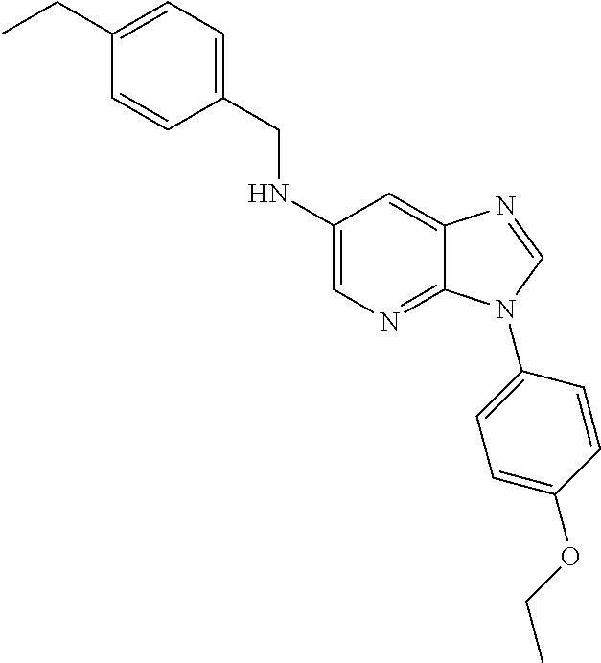
 |  | [3-(4-Ethoxy-phenyl)- 3H-imidazo[4,5- b]pyridin-6-yl]- |  |  |  |  | C23 H24 N4 O |  | < 0.05 uM | < 0.05 uM | < 0.05 uM | < 0.05 uM | 1 < EC50 < |  | H NMR in CDCl3: δ 8.11 (s, 1H), 7.97 (d, 1H), 7.59 (t, 1H),
 |  | (4- ethyl-benzyl)-amine |  |  |  |  |  |  |  |  |  |  | 50 uM |  | 7.56 (t, 1H), 7.34 (s, 1H), 7.32 (d, 2H), 7.19 (d, 2H),
 |  |  |  |  |  |  |  |  |  |  |  |  |  |  | 7.06 (t, 1H), 7.03 (t, 1H), 4.36 (s, 2H), 4.12 (br, 1H),
 |  |  |  |  |  |  |  |  |  |  |  |  |  |  | 4.09 (q, 2H), 2.64 (q, 2H), 1.45 (t, 3H), 1.23 (t, 3H);
 |  |  |  |  |  |  |  |  |  |  |  |  |  |  | Mass Spec: 373.2 (M + H)+

 | 8,664,274 | sulfonyl semicarbazides, carbonyl semicarbazides semicarbazides, and ureas for treatment of Arenaviruses
 | ST-336 | Tacaribe, Machupo, Guanarito, and Junin viruses
 | ST-294 | Among the 36 quality hits, there were several clusters of structure type - ST-336 was chosen for further development and is the representative prototype for this series

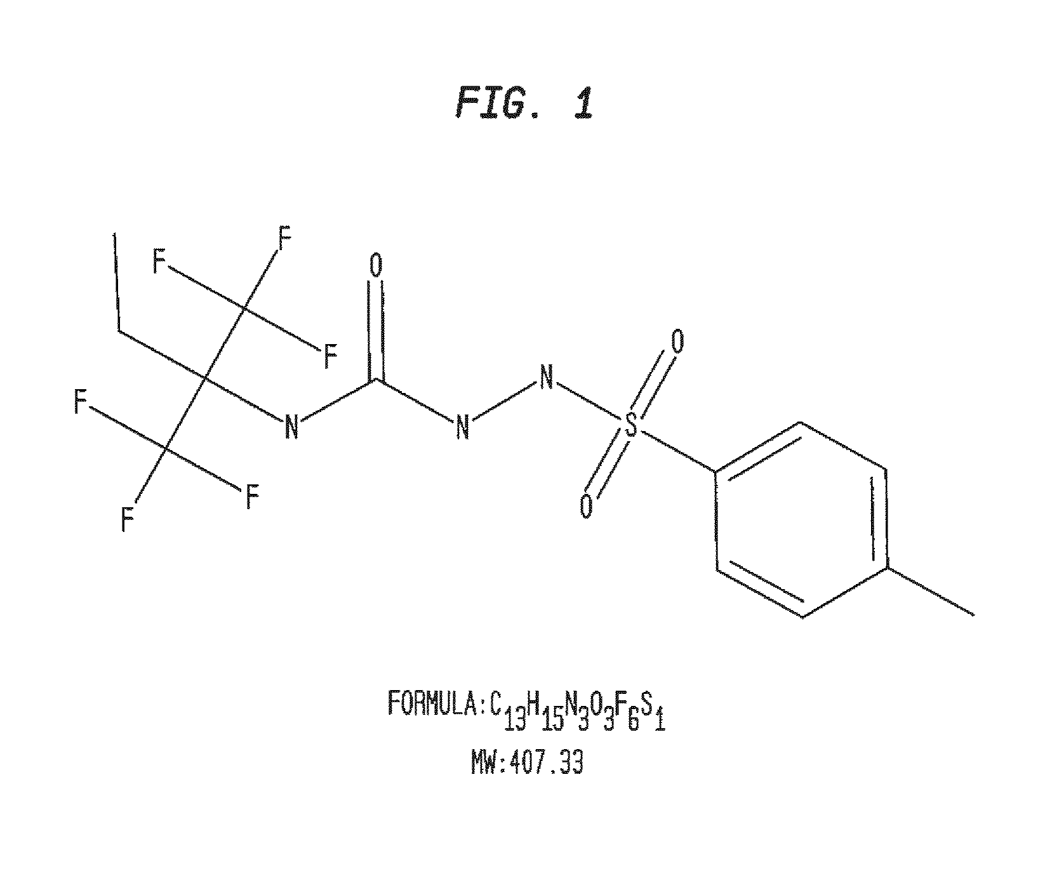
 |  | Specificity of ST-336 |  |  | Inhibitory
 |  | for Tacaribe |  |  | Concentration (EC) |  | Value (μM)
 |  | (CPE) |  |  | EC50 |  | 0.055
 |  | (CPE) |  |  | EC90 |  | 0.125
 |  | (Virus yield) |  |  | EC90 |  | 0.068
 |  | (Virus yield) |  |  | EC99 |  | 0.085
 |  | (Plaque reduction) |  |  | EC50 |  | 0.100
 |  | Candid1 (CPE) |  |  | EC50 |  | 0.062
 |  | Amapari (CPE) |  |  | EC50 |  | >20
 |  | Machupo (Plaque reduction) |  |  | EC50 |  | 0.150
 |  | Guanarito (Plaque reduction) |  |  | EC50 |  | 0.300
 |  | Junin (Plaque reduction) |  |  | EC50 |  | 0.150
 |  | Lassa (plaque reduction) |  |  | EC50 |  | >20
 |  | LCMV (Elisa) |  |  | EC50 |  | >20

 |  | ST-336 showed no inhibitory activity against LCM virus or authentic Lassa virus and lacked activity against the Amapari virus
 |  | ST-336 showed potent antiviral activity against the vaccine strain of Junin virus (Candid 1) as well as Machupo, Guanarito, and Junin

 |  |  |  |  | Inhibitory
 |  | Selectivity of ST-336 |  |  | Concentration (EC) |  | Value (μM)
 |  | HSV-1 (CPE) |  |  | EC50 |  | >20
 |  | CMV (Elisa) |  |  | EC50 |  | >20
 |  | Vaccinia (CPE) |  |  | EC50 |  | >20
 |  | RSV-A (CPE) |  |  | EC50 |  | >20
 |  | Rotavirus (CPE) |  |  | EC50 |  | >20
 |  | SARS (CPE) |  |  | EC50 |  | >20
 |  | Ebola (CPE) |  |  | EC50 |  | >20

 |  | ST-336 exerted its inhibitory effect only at the very early stage in the virus life cycle - addition of ST-336 at any time post-infection had no effect on virus yield, suggesting its an early stage inhibitor of virus replication
 |  | Data suggested that ST-336 binds intact virions with a very slow dissociation constant
 |  | Growth of ST-336 isolates was unaffected by the presence of ST-336 at concentrations that completely inhibited wild type Tacaribe virus replication, strongly suggesting that ST-336 acts as a direct antiviral inhibitor
 |  | Data suggest that amino acid changes in arenavirus GP2 at either position 416, 418, 433 or 436 are sufficient to confer reduced susceptibility to ST-336
 |  | ST-336 had poor pharmacokinetic (PK) properties in rodents, and the optimization program to improve the PK properties resulted in ST-294 - similar activity against Tacaribe, Machupo, Guanarito, and Junin viruses

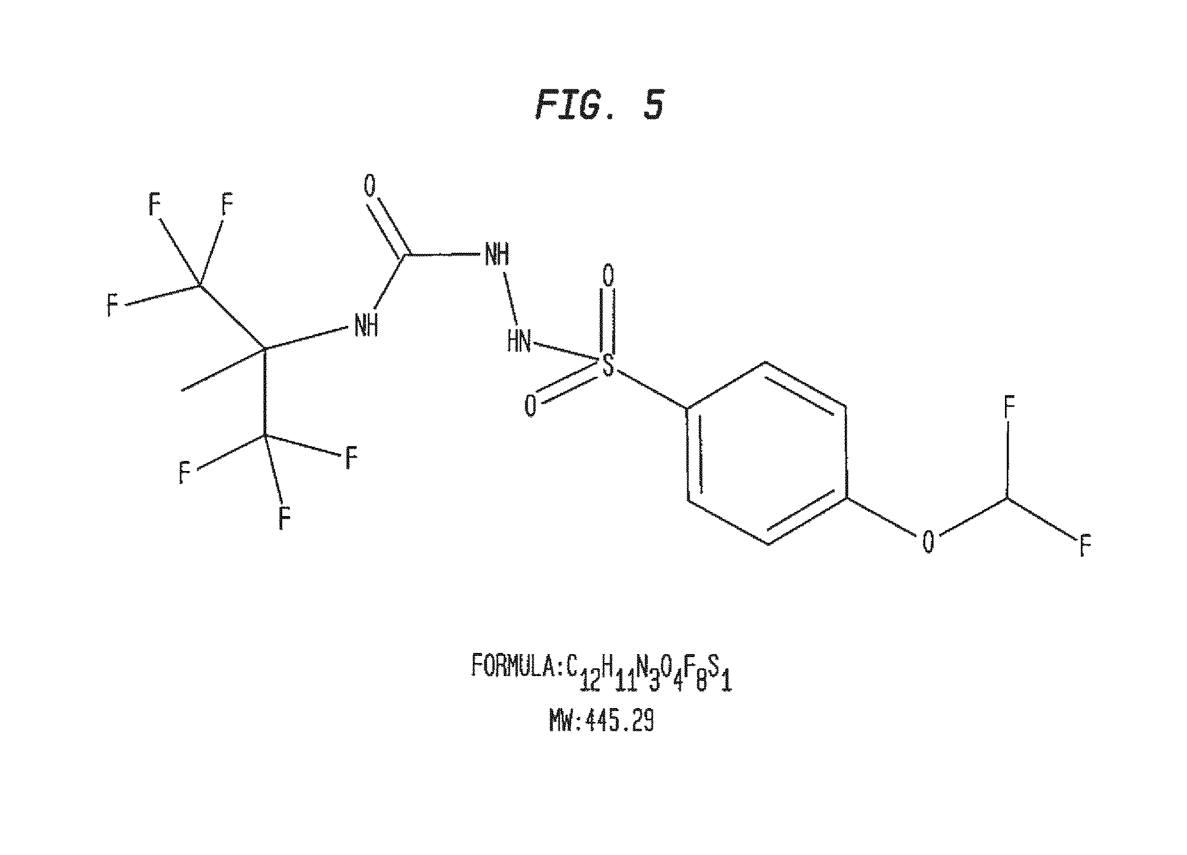
 |  | Specificity of ST-294 |  |  | Inhibitory
 |  | for Tacaribe |  |  | Concentration (EC) |  | Value (μM)
 |  | (CPE) |  |  | EC50 |  | 0.120
 |  | (Plaque reduction) |  |  | EC90 |  | 0.100
 |  | Machupo (Plaque reduction) |  |  | EC90 |  | 0.300
 |  | Guanarito (Plaque reduction) |  |  | EC99 |  | 1.000
 |  | Junin (Plaque reduction) |  |  | EC50 |  | 0.300

 |  | Properties
 |  | Solubility (0%, 2%, 10% FBS) |  |  |  |  | 18, 21 and 23 µM
 |  | Solubility (pIon, pH 7.4) |  |  |  |  | 480 µM
 |  | Stability (S9) rat/mouse/human/g.p |  |  |  |  | 26/74/100/23 min
 |  | Genotoxicity (Ames test) |  |  |  |  | negative
 |  | 1/2 Life (PK rat/oral) |  |  |  |  | 2 hours
 |  | Bioavailability (PK rat/oral) |  |  |  |  | 68.2%
 |  | 1/2 Life (PK newborn mouse) |  |  |  |  | 3 hours
 |  | Cmax (PK newborn mouse) |  |  |  |  | 2910 ng/ml

 |  | To test tolerability, newborn mice were given IP dosages ranging from 0-100 mg/kg/day of ST-294 for 5 days
 |  | Dosages of 100 mg/kg/day for 5 days were well tolerated - no clinical signs of toxicity, mice gained weight
 |  | The drug levels and half-life shown in the PK study was not equivalent to that seen in the rats, but serum levels sufficient to perform proof-of-concept animal study
 |  | Four day old mice were challenged with 30×LD50 of Tacaribe virus and treated with placebo, ribavirin as a control or ST-294

 |  | ST-294 showed efficacy, with both survival and a delay in death similar to the drug control (ribavirin)
 |  | Promising results to advance into definitive animal studies - guinea pigs and primates
 |  | In mouse model the mice appear to die of a neurological disease (indicated by hindquarter paralysis) and it is not known whether ST-294 can cross the blood brain barrier
 |  | Drug levels and half-life of this drug candidate given IP in newborn mice is not as good as oral dosing in rats
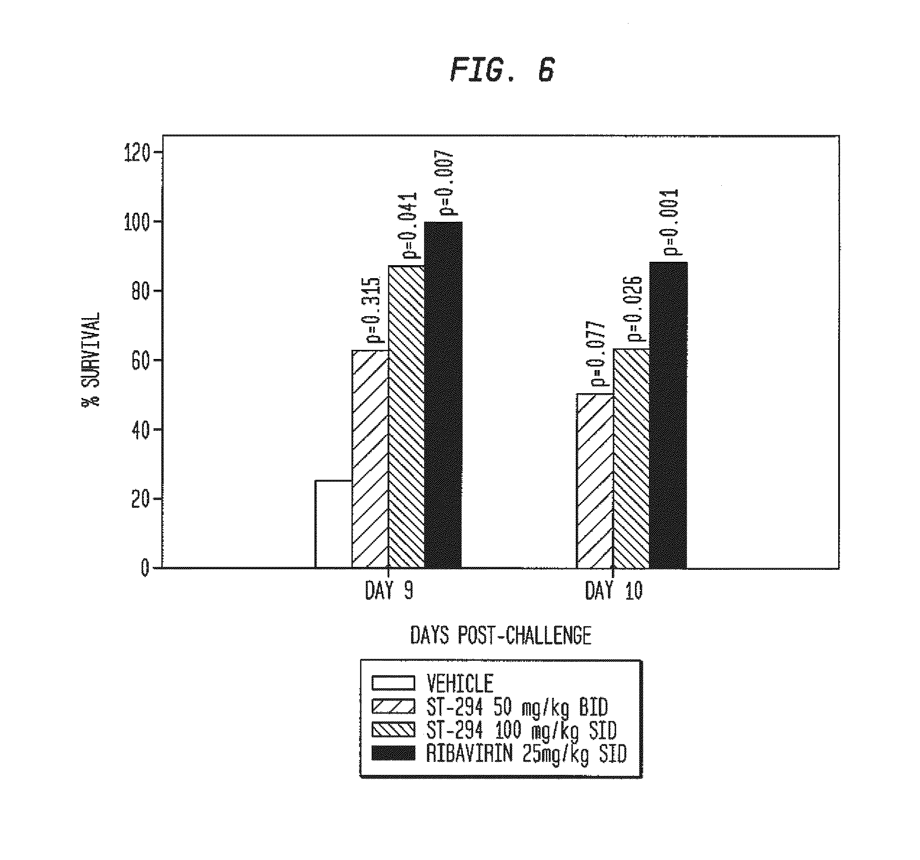

 | 8,658,697 | sulfonyl semicarbazides, carbonyl semicarbazides, and ureas for treatment of Arenaviruses
 | ST-336 | 2A: Vero cells were infected with Tacaribe virus at a MOI=0.01, ST-336 was added prior to or during Tacaribe infection (−1, 3, 6, 9, 12, 15, 18 or 21 hours post-infection). At 24 hours post-infection, virus yields were determined by plaque assay
 | ST-294 | 2B: Vero cells were infected with 400 pfu Tacaribe virus, ST-336 was added for 1 hour before the infection
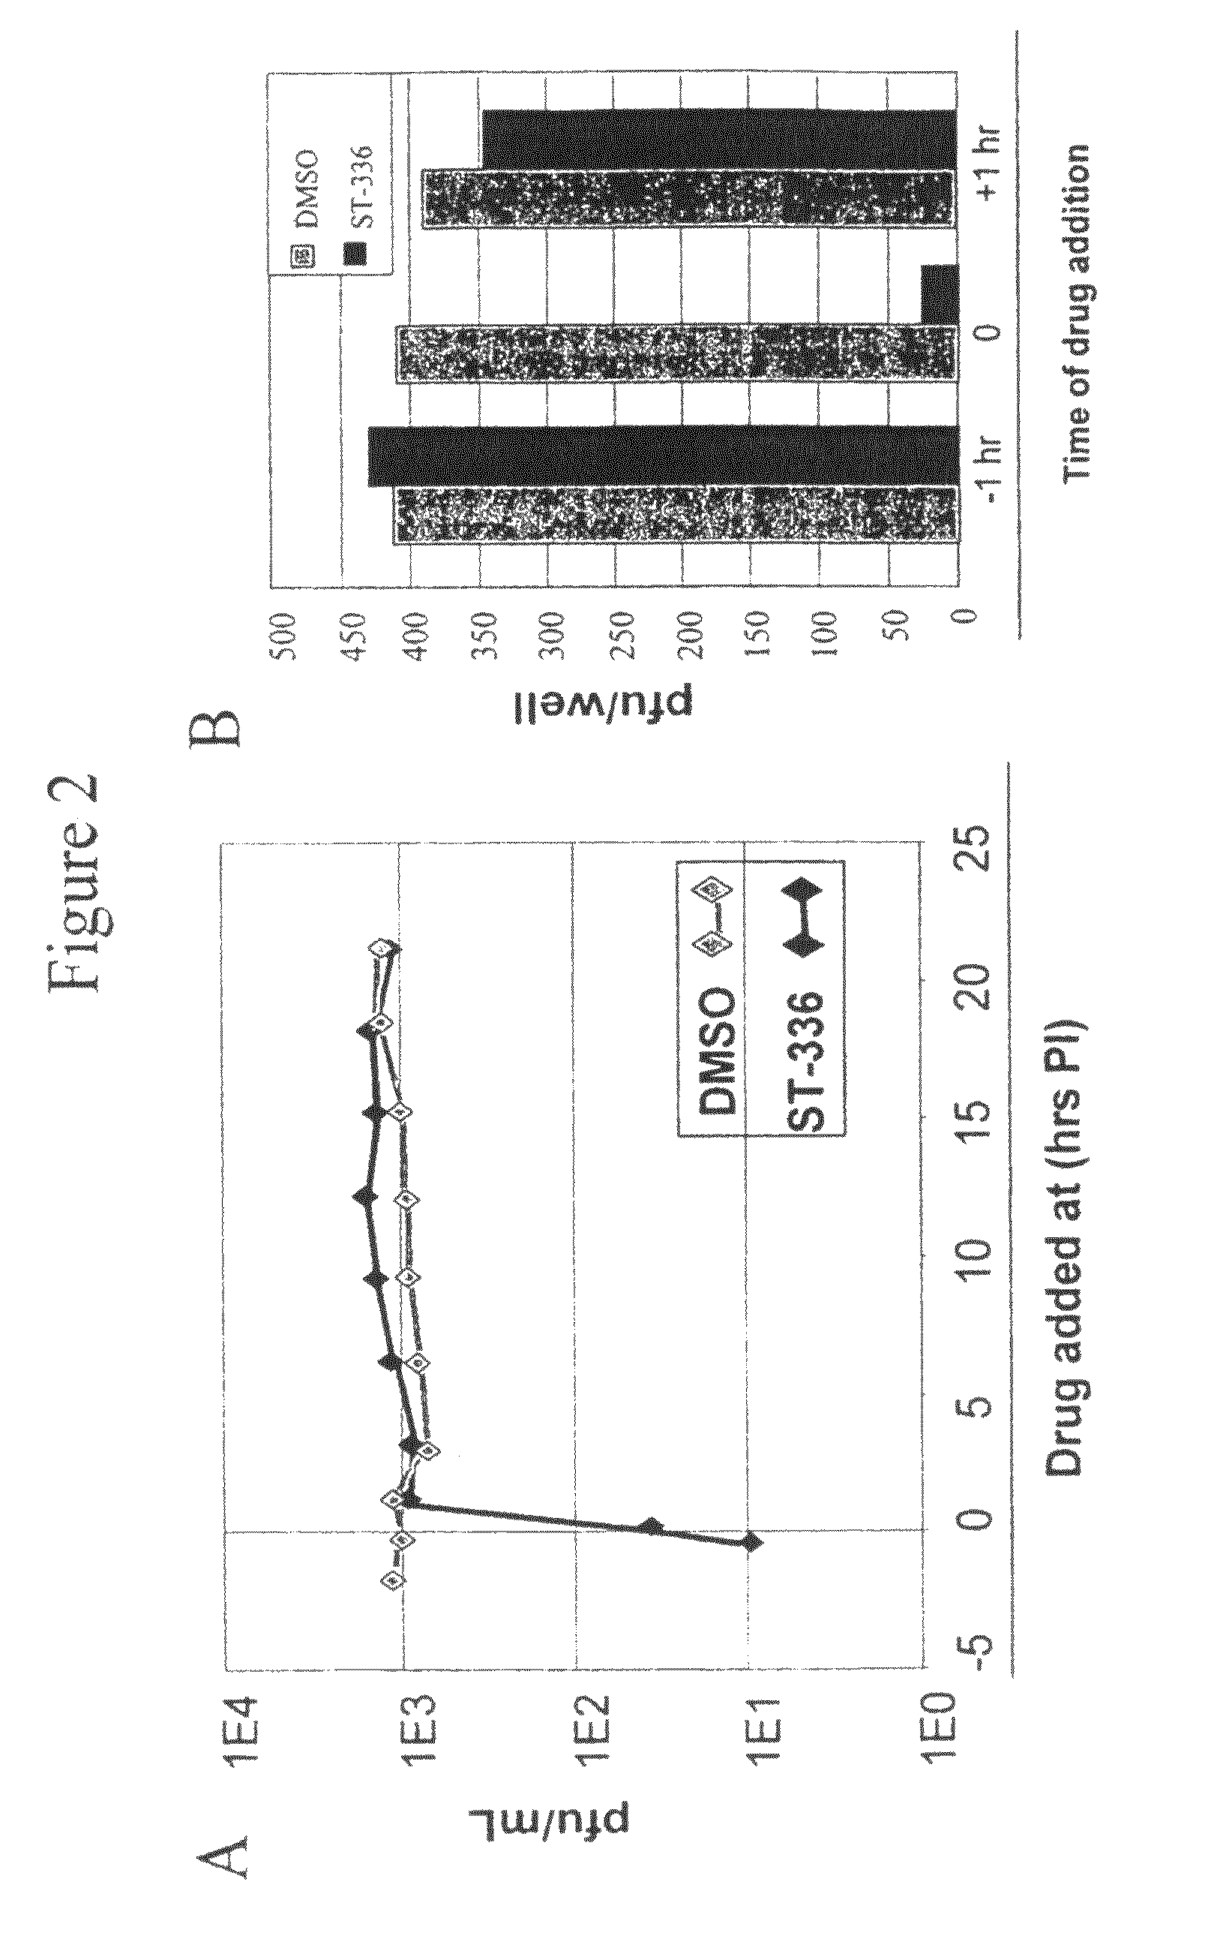

 |  | 3A: Virus dilution scheme prior to plating is provided - the virus mixed with ST-336 and diluted (left side) or virus diluted and ST-336 added after dilution (right side)
 |  | 3B: Pictures of the plaques that resulted after plating each dilution - shows that ST-336 binds with slow Koff to intact Tacaribe virion in the absence of cells
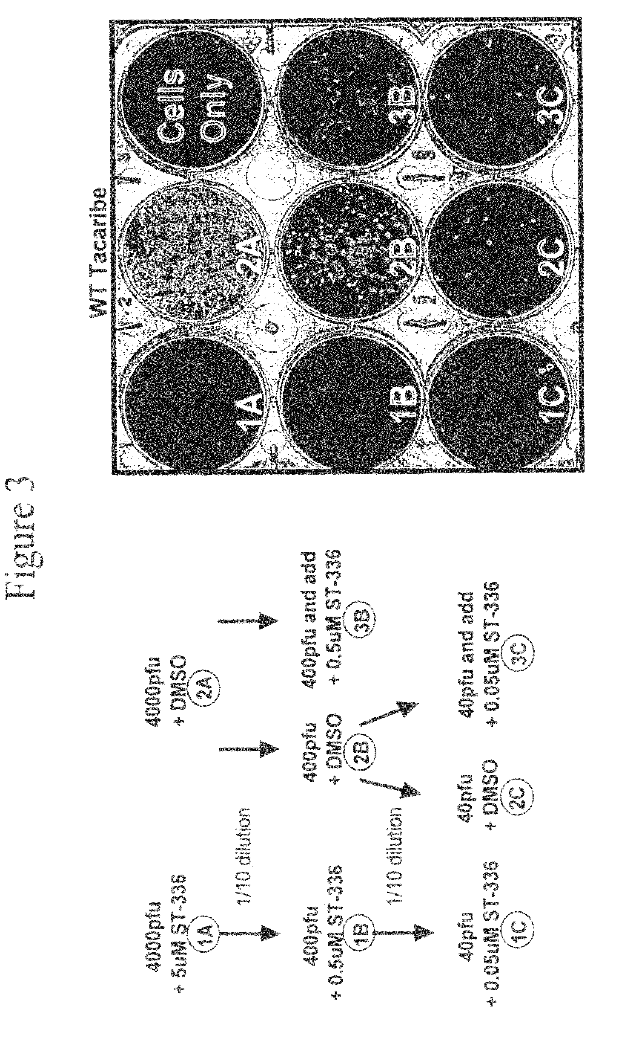

 |  | 4A: Linear map of the glycoprotein precursor showing the location of the signal peptide, transmembrane domain, the cleavage site between GP1 and GP2 (K261-A262), the location of the four ST-336 resistant mutants (“DR #1-4”), and the amino acid change for each
 |  | 4B: Amino acid sequence alignment (SEQ ID NOS 3-16, respectively, in order of appearance) of GP2 from wild type NWA and ST 336 DRVs is shown
 |  | Shown is the amino acid sequence of the C-terminal portion of GP2 (amino acids 397 to 457) containing the transmembrane domain (marked by vertical lines), the location of the mutations for DR#1-4 (underlined), and the amino acid difference in Amapari (in bold).
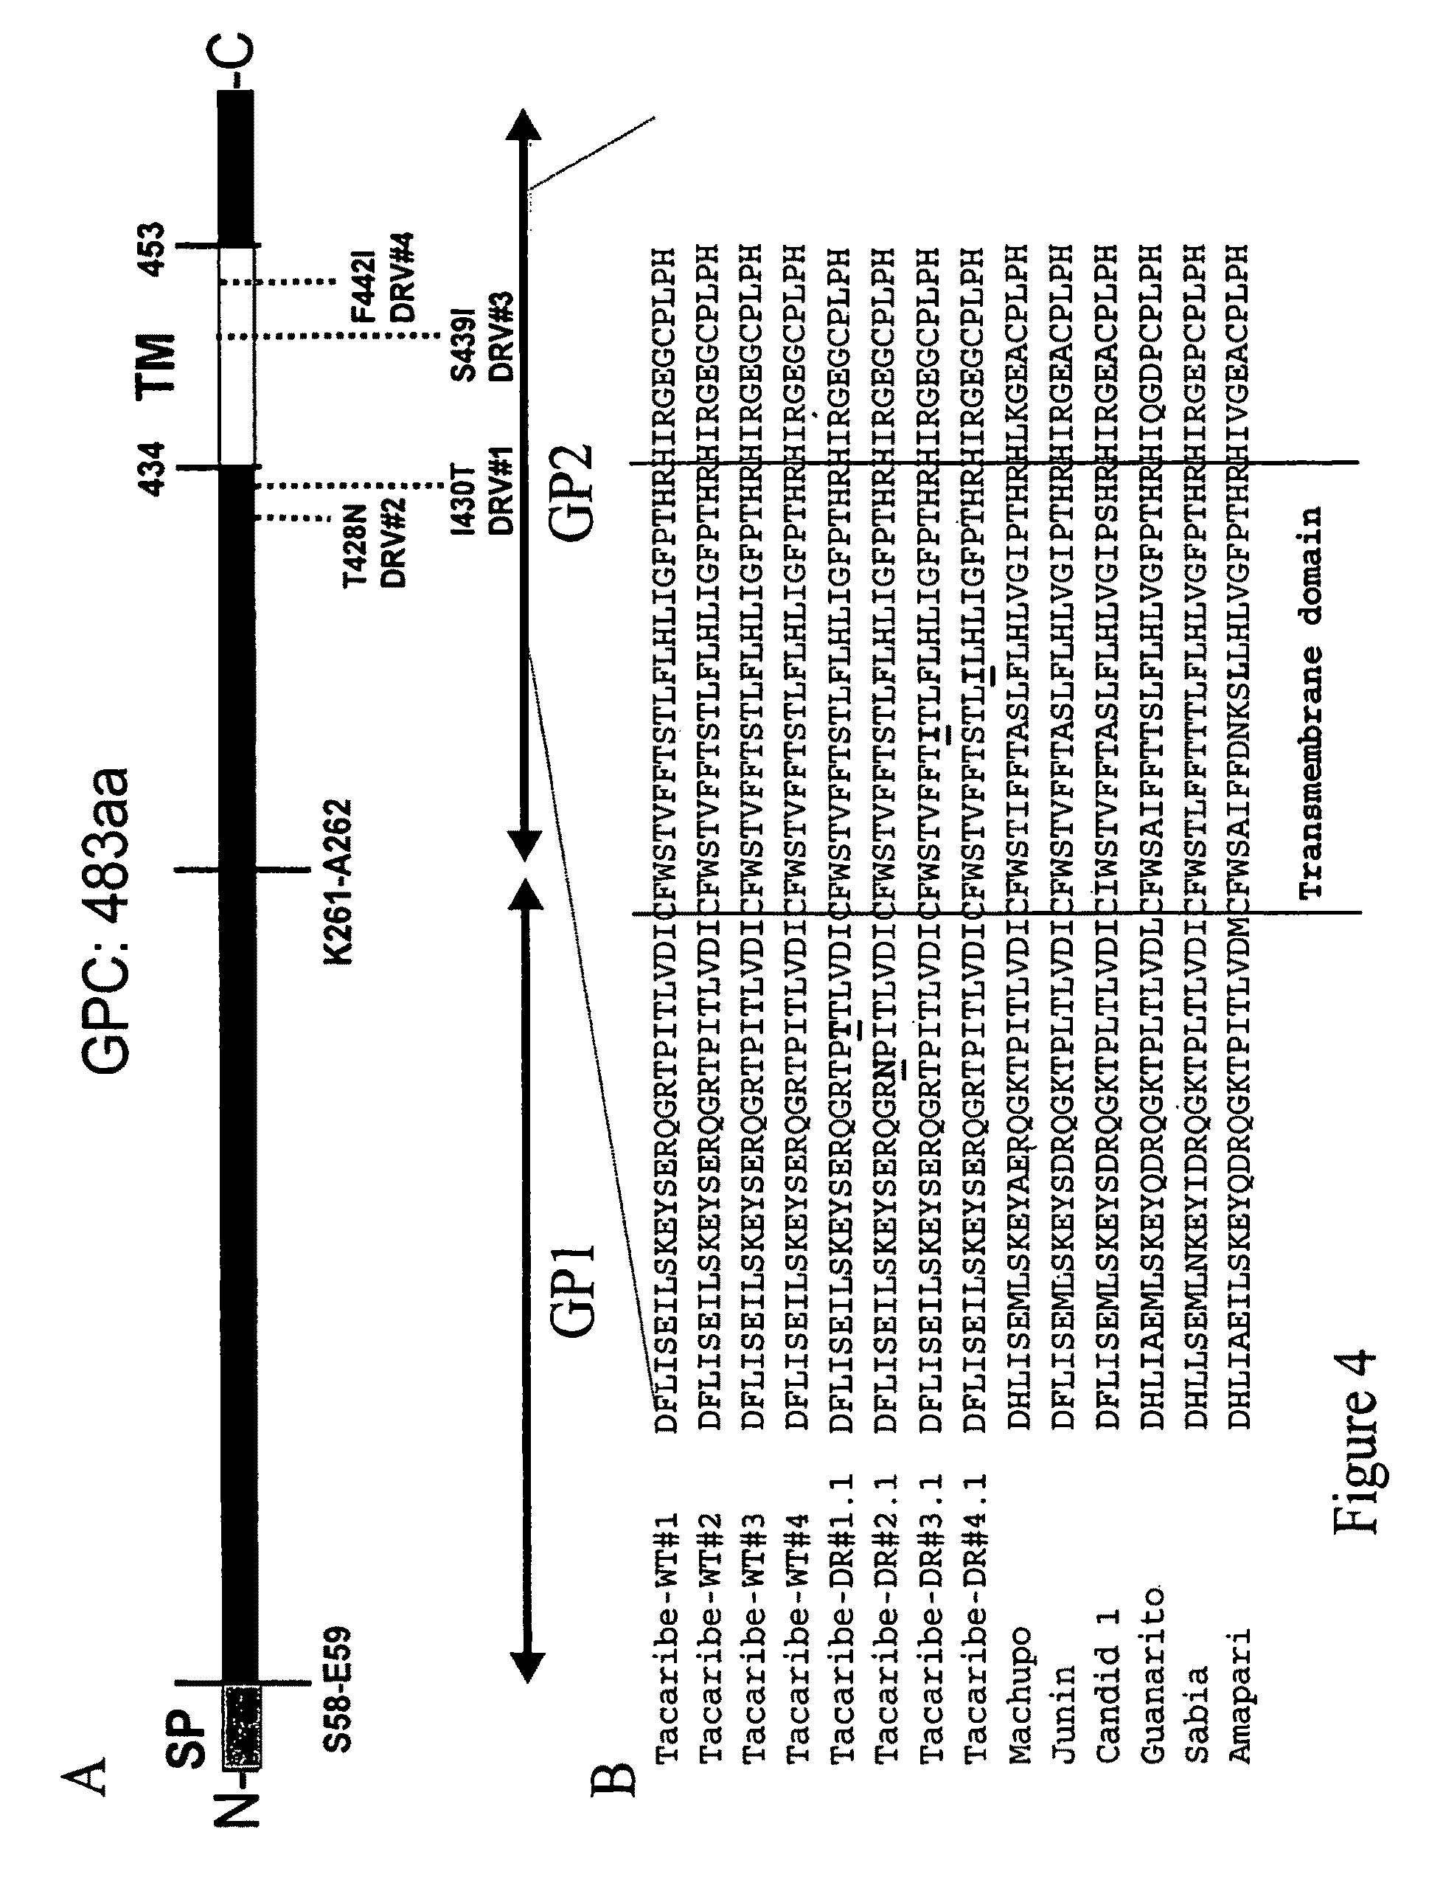

 |  | The ST-336 class of compounds targets the GP2 envelope protein, with mutations eliciting reduced susceptibility to the drug arising in or around the transmembrane region
 |  | Drugs that target the interactions between the virus envelope and the cellular receptor represent a new class of antiviral drugs - entry inhibitors have raised interest because of their activity against multi-drug resistant viruses
 |  | ST-294 also has the potential for prophylactic use since this drug appears to bind to the virus and would prevent infection - other virus entry inhibitors have demonstrated protection when given prophylactically

 | 8,629,170 | benzimidazole derivatives and analogs for treatment of Arenaviruses
 | ST-600037 | Lassa, Guanarito, Tacaribe viruses
 | ST-600193 | Compound ST-600037 was identified as one of the most potent and selective compounds from within the pool of 25 quality hits
 |  | ST-600193 displayed enhanced potency and selectivity relative to ST-600037
 |  | ST-600193 is also a potent inhibitor of pseudotyped viral infection mediated by the envelopes of the New World arenaviruses Guanarito (EC50<1 nM) and Tacaribe (EC50=4 nM) - could be used for other viruses besides Lassa fever

 |  |  | Activity against Lassa |  |  |  |  |  |  | CC50/EC50
 |  |  | GP-pseudotyped-virus |  |  | Activity vs. LFV |  |  |  | (Therapeutic
 |  | No. | EC50 (µM) |  |  | Specificity |  | EC50 (µM) |  | Index) | formula |  |  | structure/name

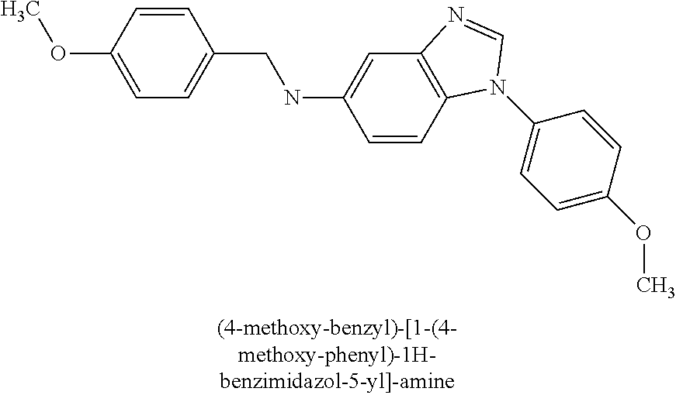
 |  | 600037 | 0.016 |  |  | 900 |  | <0.1 |  | >400 | C22H21N3O2

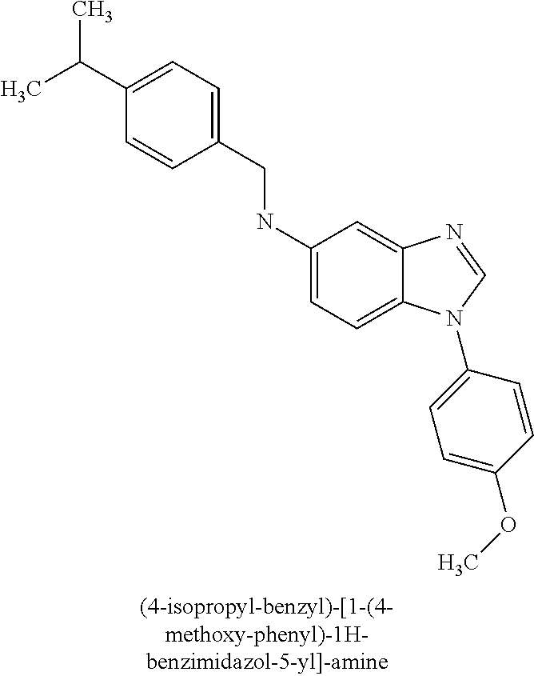
 |  | 600193 | 0.0011 |  |  | 13,000 |  | <0.1 |  | >400 | C24H25N3O

 | 8,623,347 | 2,2′-bibenzimidazole, 2,2′-bibenzoxazole and 2,2′-bibenzothiazole derivatives and analogs for treatment of Arenaviruses
 |  | lymphocytic choriomeningitis virus (LCMV)
 |  | In LCMV-infected cells in the presence of 10 μM compound, synthesis of viral S RNA and NP mRNA were dramatically suppressed relative to untreated controls for a period of at least 48 h post infection
 |  | No CAT activity was observed in infected cells treated with 20 µM of Compound 1 - suggests that Compound 1 inhibits the activity of either viral NP or L protein, preventing efficient transcription and translation of viral RNA
 |  | Compounds 6 and 7 displayed enhanced potency (EC50=6 nM and 63 nM, respectively) and selectivity relative to Compound 1

 |  |  | Analytical
 |  | No. | Data |  |  |  | Activity |  | chemical name |  |  | formula |  | structure/name

 |  | 6 | 1H NMR in DMSO-d6: d 14.04 (br s, 2H), |  |  |  | EC50 < 1 uM |  | 4,4'-Difluoro-1H,1'H- [2,2'] |  |  | C14 H8 F2 N4
 |  |  | 12.02 (br s, 1H), 7.26-7.45 (m, 4H), |  |  |  |  |  | bibenzoimidazolyl
 |  |  | 7.07- 7.17 (m, 2H); Mass Spec: 269.3 (M - H)-

 |  | 7 | 1H NMR in DMSO-d6: d 7.76-7.82 (m, 1H), |  |  |  | EC50 < 1 uM |  | 5,5'-Difluoro-1H,1'H- [2,2'] |  |  | C14 H8 F2 N4
 |  |  | 7.54-7.68 (m, 2H), 7.12-7.34 (m, 3H); |  |  |  |  |  | bibenzoimidazolyl
 |  |  | Mass Spec: 269.3 (M - H)-

 |  | 1 | 1H NMR in DMSO-d6: d 13.55 (s, 2H), |  |  |  | EC50 < 1 uM |  | 1H, 1'H- [2,2']
 |  |  | 7.76 (d, 2H), 7.56 (d, 2H), 7.29 (td, 4H); |  |  |  |  |  | bibenzoimidazolyl |  |  | C14 H10 N4
 |  |  | 13C NMR in DMSO-d6: d 143.81, 143.49,
 |  |  | 134.83, 123.63, 122.25, 119.18, 112.06;
 |  |  | HRMS: 234.08976 M+

 | 8,518,951 | 4-methyl-piperazine-1-carbothioic acid amide derivatives and analogs for treatment of Arenaviruses
 |  | Machupo, Guanarito viruses
 |  | No. | EC50/CC50 μM Tacaribe |  |  | EC50/CC50 μM Candid 1 |  |  | EC50 μM Category A NWA |  |  |  |  | structure/name
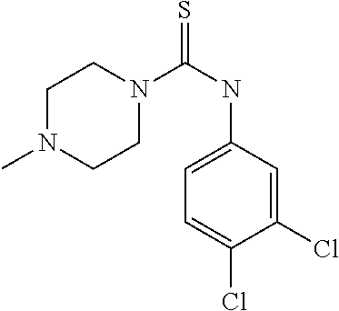
 |  | 313761 | 0.14 / 50 |  |  | 0.26 / 50 |  |  | Machupo: 0.3; Guanarito: 0.15

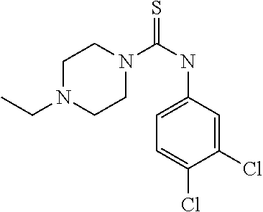
 |  | 280611 | 0.06 / 25 |  |  | 0.05 / 25 |  |  | Not tested


 |  | 20013 | >50 / >50 |  |  | >50 / >50 |  |  | Not tested

 | 8,492,434 | cycloalkanecarboxylic acid hydrazide derivatives and analogs for treatment of Arenaviruses
 | ST-408306 | Guanarito, Tacaribe viruses
 | ST-600161 | Compound 408306 was identified as one of the most potent and selective compounds from within the pool of 25 quality hits
 |  | ST-600161 is also a potent inhibitor of pseudotyped viral infection mediated by the envelopes of the New World arenaviruses Guanarito (EC50=0.3 µM) and Tacaribe (EC50=0.8 µM)

 |  |  | Activity against Lassa |  |  |  |  |  |  | CC50/EC50
 |  |  | GP-pseudotyped-virus |  |  | Activity vs. LFV |  |  |  | (Therapeutic
 |  | No. | EC50 (µM) |  |  | Specificity |  | EC50 (µM) |  | Index) | formula |  |  | structure/name

 |  | 408306 | 0.02 |  |  | >2000 |  | 0.5 |  | >100 | C18H19N3O

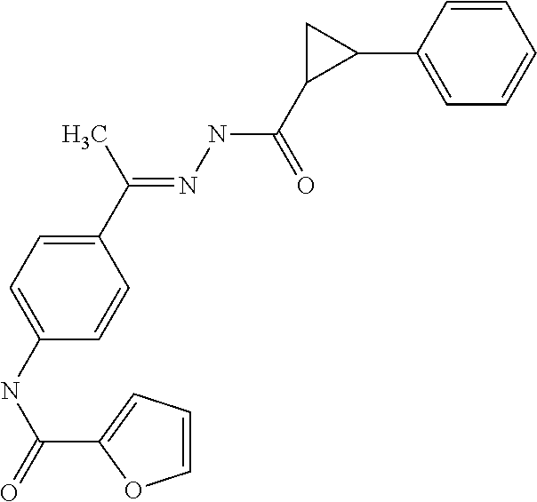
 |  | 600161 | 0.0005 |  |  | >90,000 |  | <0.02 |  | <2000 | C23H21N3O3

 | 8,461,177 | benzimidazole derivatives and analogs for treatment of Arenaviruses
 |  | arenaviruses
 |  | Compound 1 is shown to be very potent with EC50 0.13 nM in the assay against Lassa GP-pseudotyped-virus in 293T cells

 |  |  | Analytical
 |  | No. | Data |  |  |  | chemical name |  |  | formula |  | structure/name
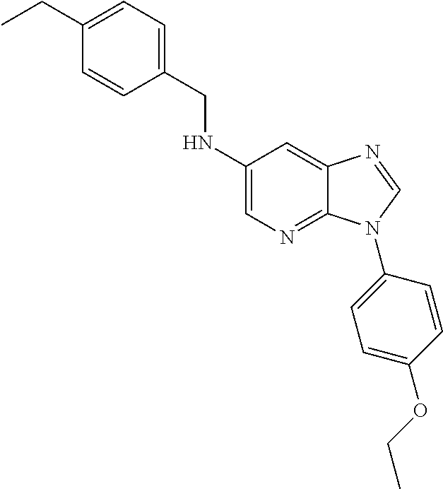
 |  | 1 | 1H NMR in CDCl3: d 8.11 (s, 1H), 7.97 |  |  |  | [3-(4-Ethoxy-phenyl)- |  |  | C23 H24 N4 O
 |  |  | (d, 1H), 7.59 (t, 1H), 7.56 (t, 1H), 7.34 |  |  |  | 3H-imidazo[4,5- b]pyridin-6-yl]-
 |  |  | (s, 1H), 7.32 (d, 2H), 7.19 (d, 2H), 7.06 |  |  |  | (4-ethyl- benzyl)-amine
 |  |  | (t, 1H), 7.03 (t, 1H), 4.36 (s, 2H), 4.12
 |  |  | (br, 1H), 4.09 (q, 2H), 2.64 (q, 2H), 1.45
 |  |  | (t, 3H), 1.23 (t, 3H);
 |  |  | Mass Spec: 373.2 (M +H)+

 |  |  |  |  | Activity (EC50s in µM vs. pseudotyped virus)
 |  | Compound |  |  | Lassa |  | Machupo |  | Guanarito |  | Junin |  | Sabia |  | VSVg

 |  | 1 |  |  | EC50 < 0.05 uM |  | EC50 < 0.05 uM |  | EC50 < 0.05 uM |  | EC50 < 0.05 uM |  | EC50 < 0.05 uM |  | 1 < EC50 < 50 uM

 | 8,410,149 | sulfonyl semicarbazides, semicarbazides and ureas derivatives and analogs for treatment of Arenaviruses
 | ST-294 | arenaviruses
 | ST-193 | 7: Shows chemical structures of fusion inhibitors
 | ST-761 | ST-294 and ST-193 - genetic studies of GPC from the Junin virus (JUNV) suggest that these small-molecule inhibitors bind to and stabilize the prefusion GPC complex, thereby preventing pH-induced activation of membrane fusion and virus entry
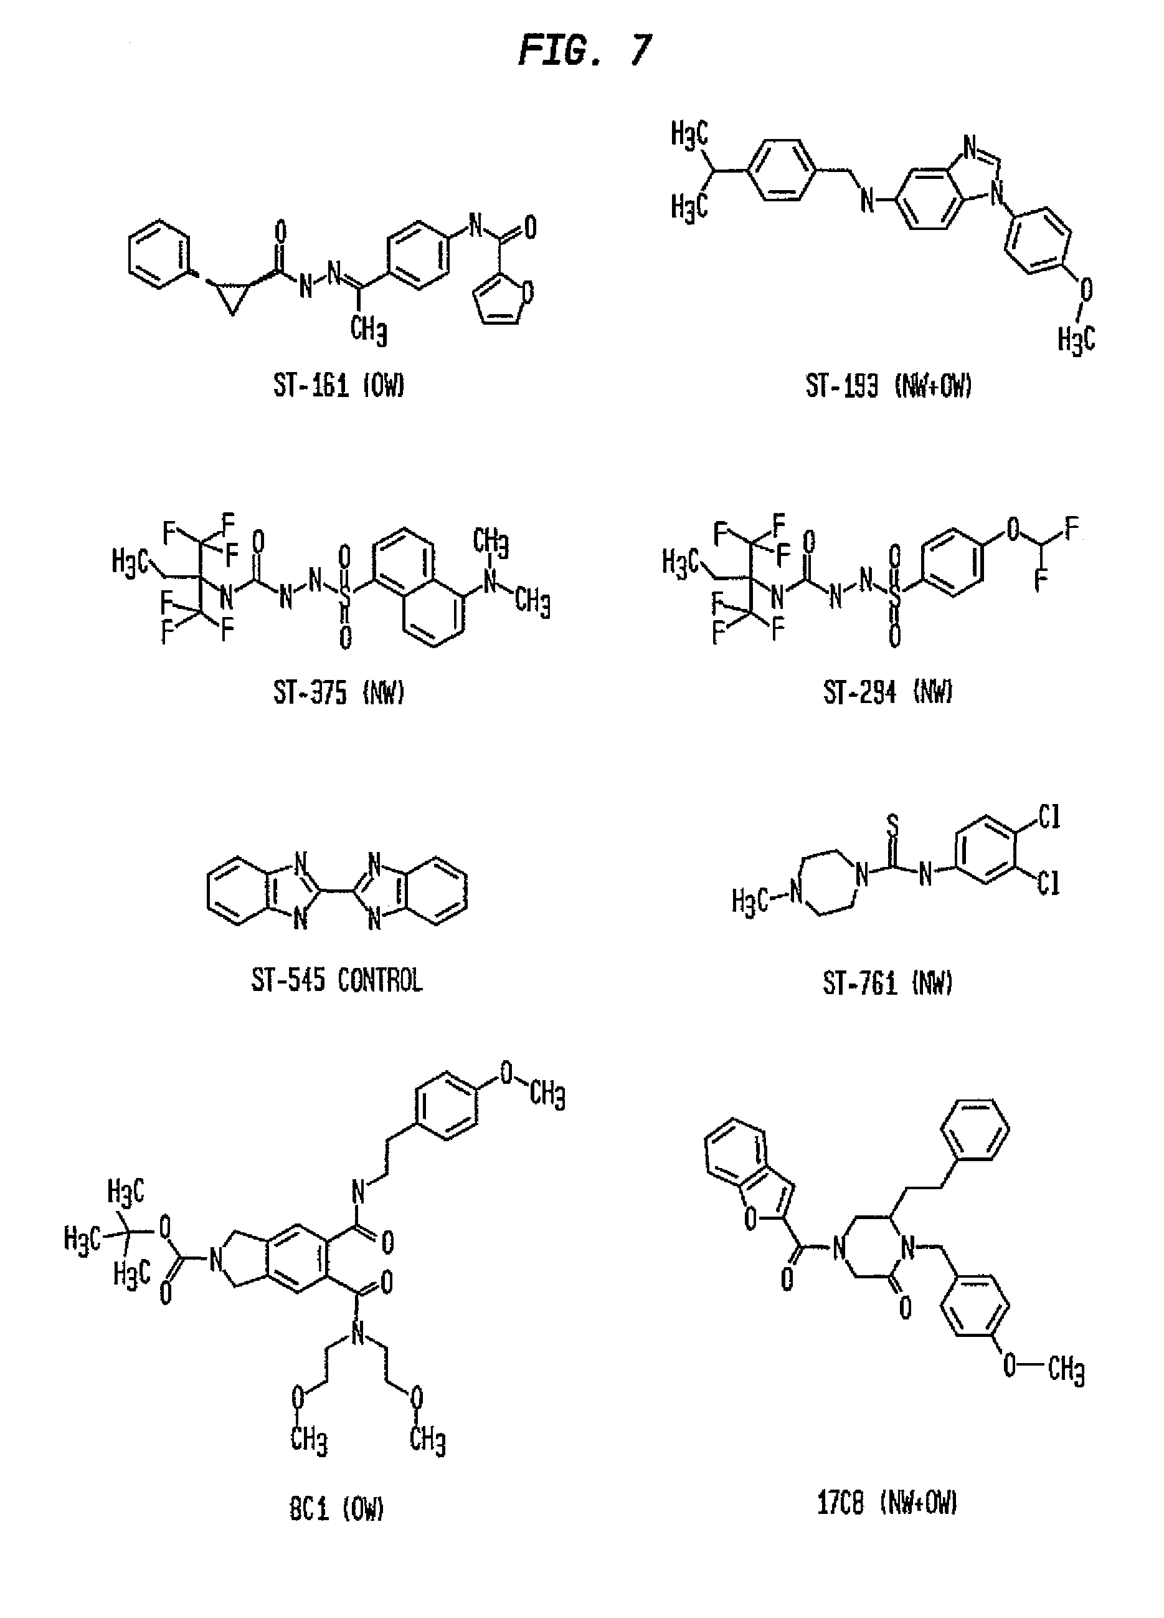
 | ST-161 | ST-294 and ST-761 are specific to the NW arenaviruses
 | TSRI 17C8 | ST-193 and TSRI 17C8 inhibit both NW and OW viruses
 | TSRI 8C1 | ST-161 and TSRI 8C1 are selective for the OW LASV

 |  | 8: Shows immunoprecipitation of insect and mammalian-cell derived cleavage-defective GPC
 |  | Four MAbs (BE08, AG02, BF11, and AA09) have shown to be capable of neutralizing viral infectivity and would serve as sensitive probes for the native GPC conformation
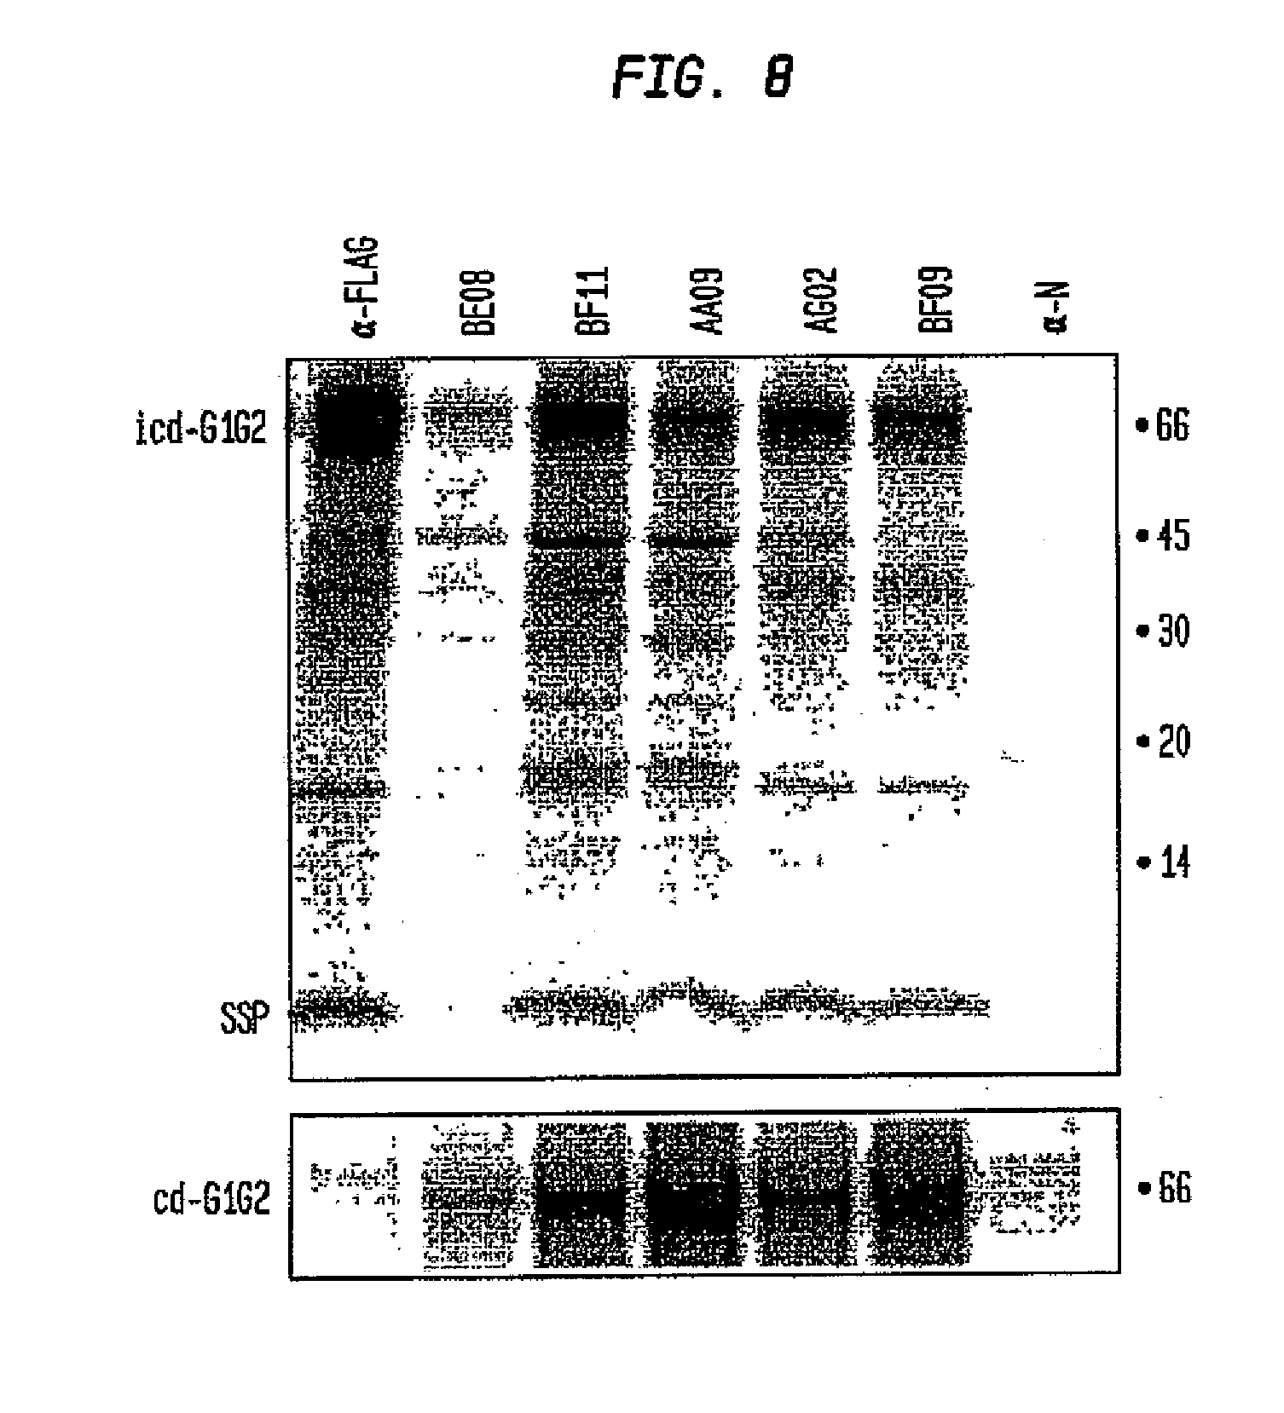

 |  | 9: Shows biosensor analysis (Biacore T100) of the interaction of small-molecule fusion inhibitors with detergent solubilized icd-GPC
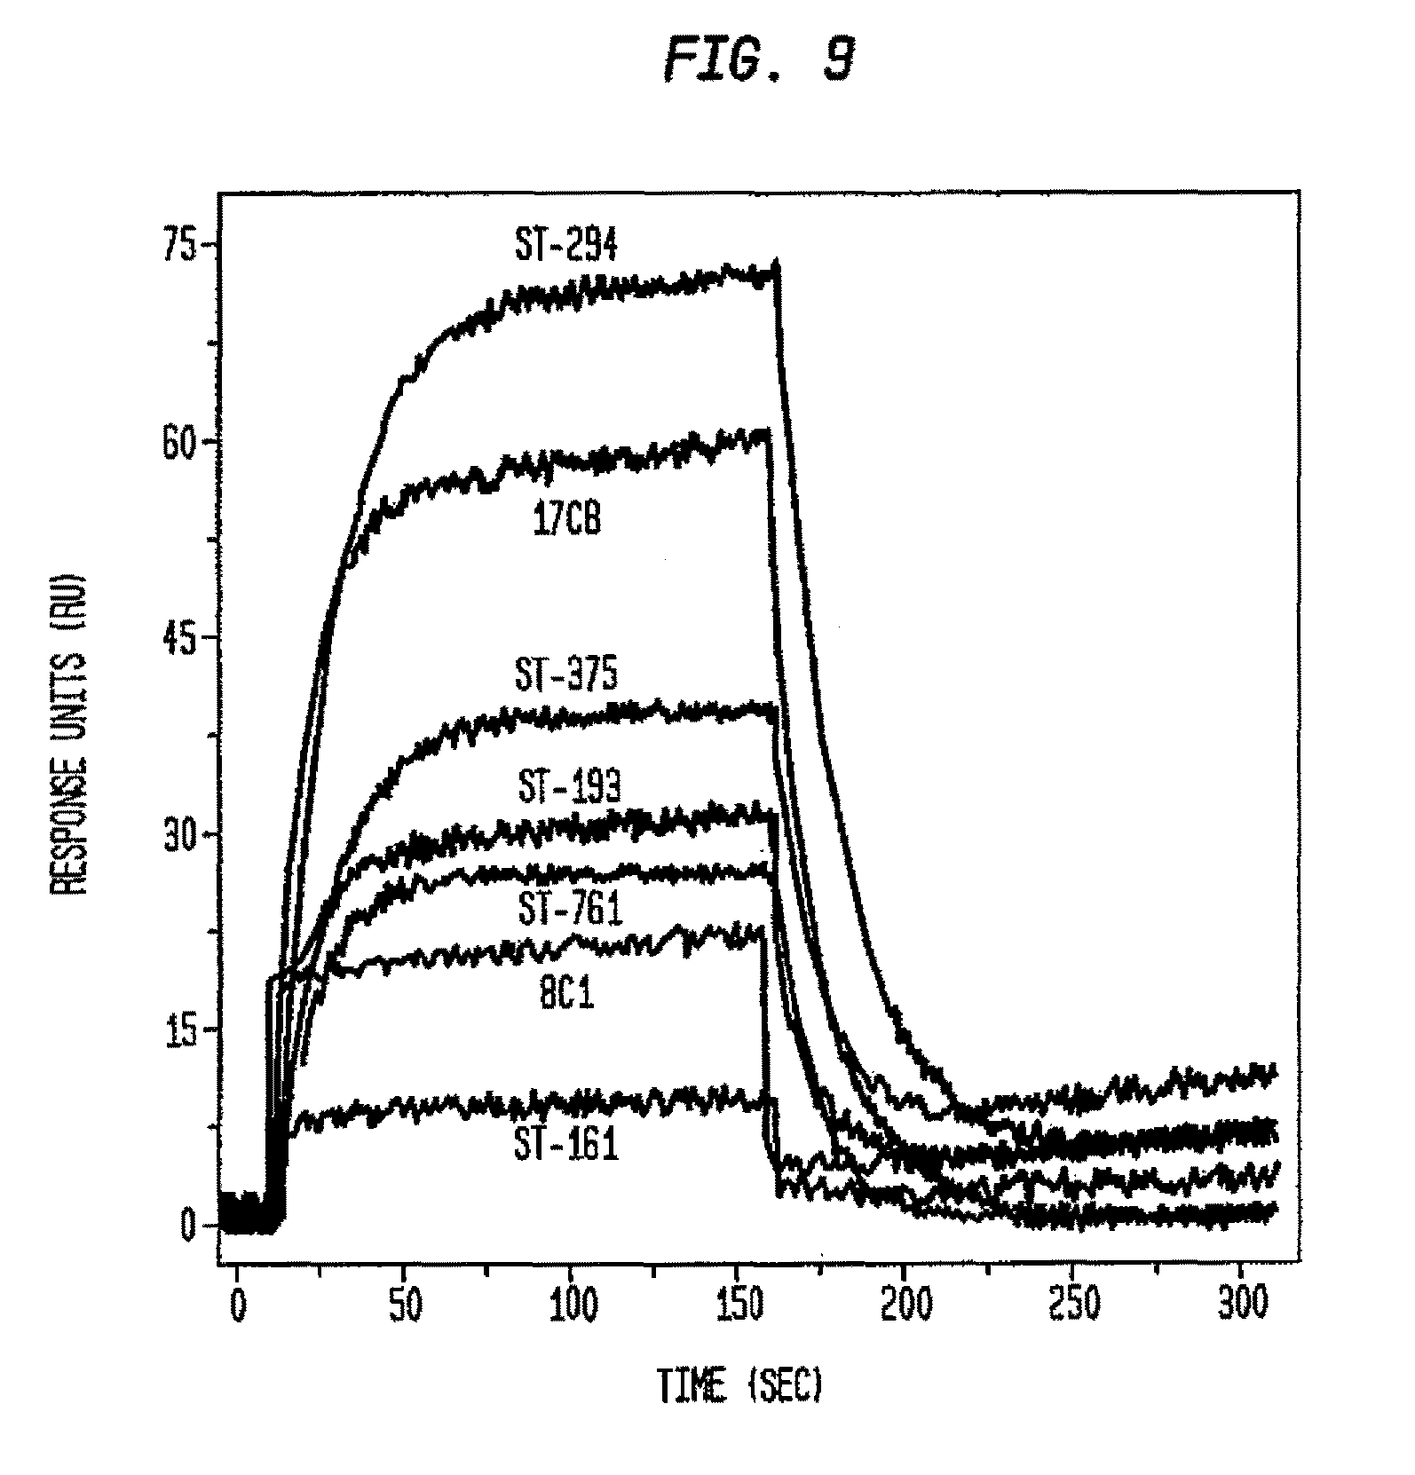

 |  | 10: Shows inhibition of pH-induced cell-cell fusion
 |  | ST-375 is a dansyl analogue of ST-294 that inhibits JUNV GPC-mediated cell-cell fusion at an EC50 similar to that of its parent (0.6 and 1.5 µM for ST-375 and ST-294)
 |  | Each line denotes fusion inhibition by a small molecule as indicated by the symbols: ST-294 (filled squares), ST-761 (open squares), ST-193 (open circles), ST-375 (closed circles), and 17C8 (open diamonds)
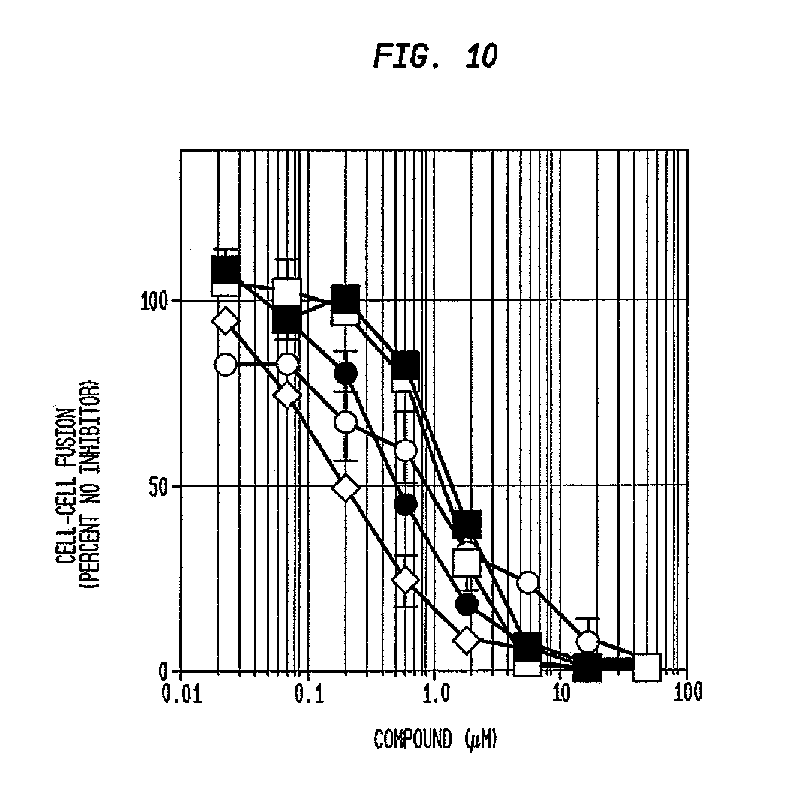

 |  | 11: Shows competitive binding of small-molecule fusion inhibitors to icd-GPC
 |  | Determined that bound ST-375 was displaced from icd-GPC in a time- and concentration-dependent manner by ST-294 as well as by ST-761 and ST-193, but not by ST-161
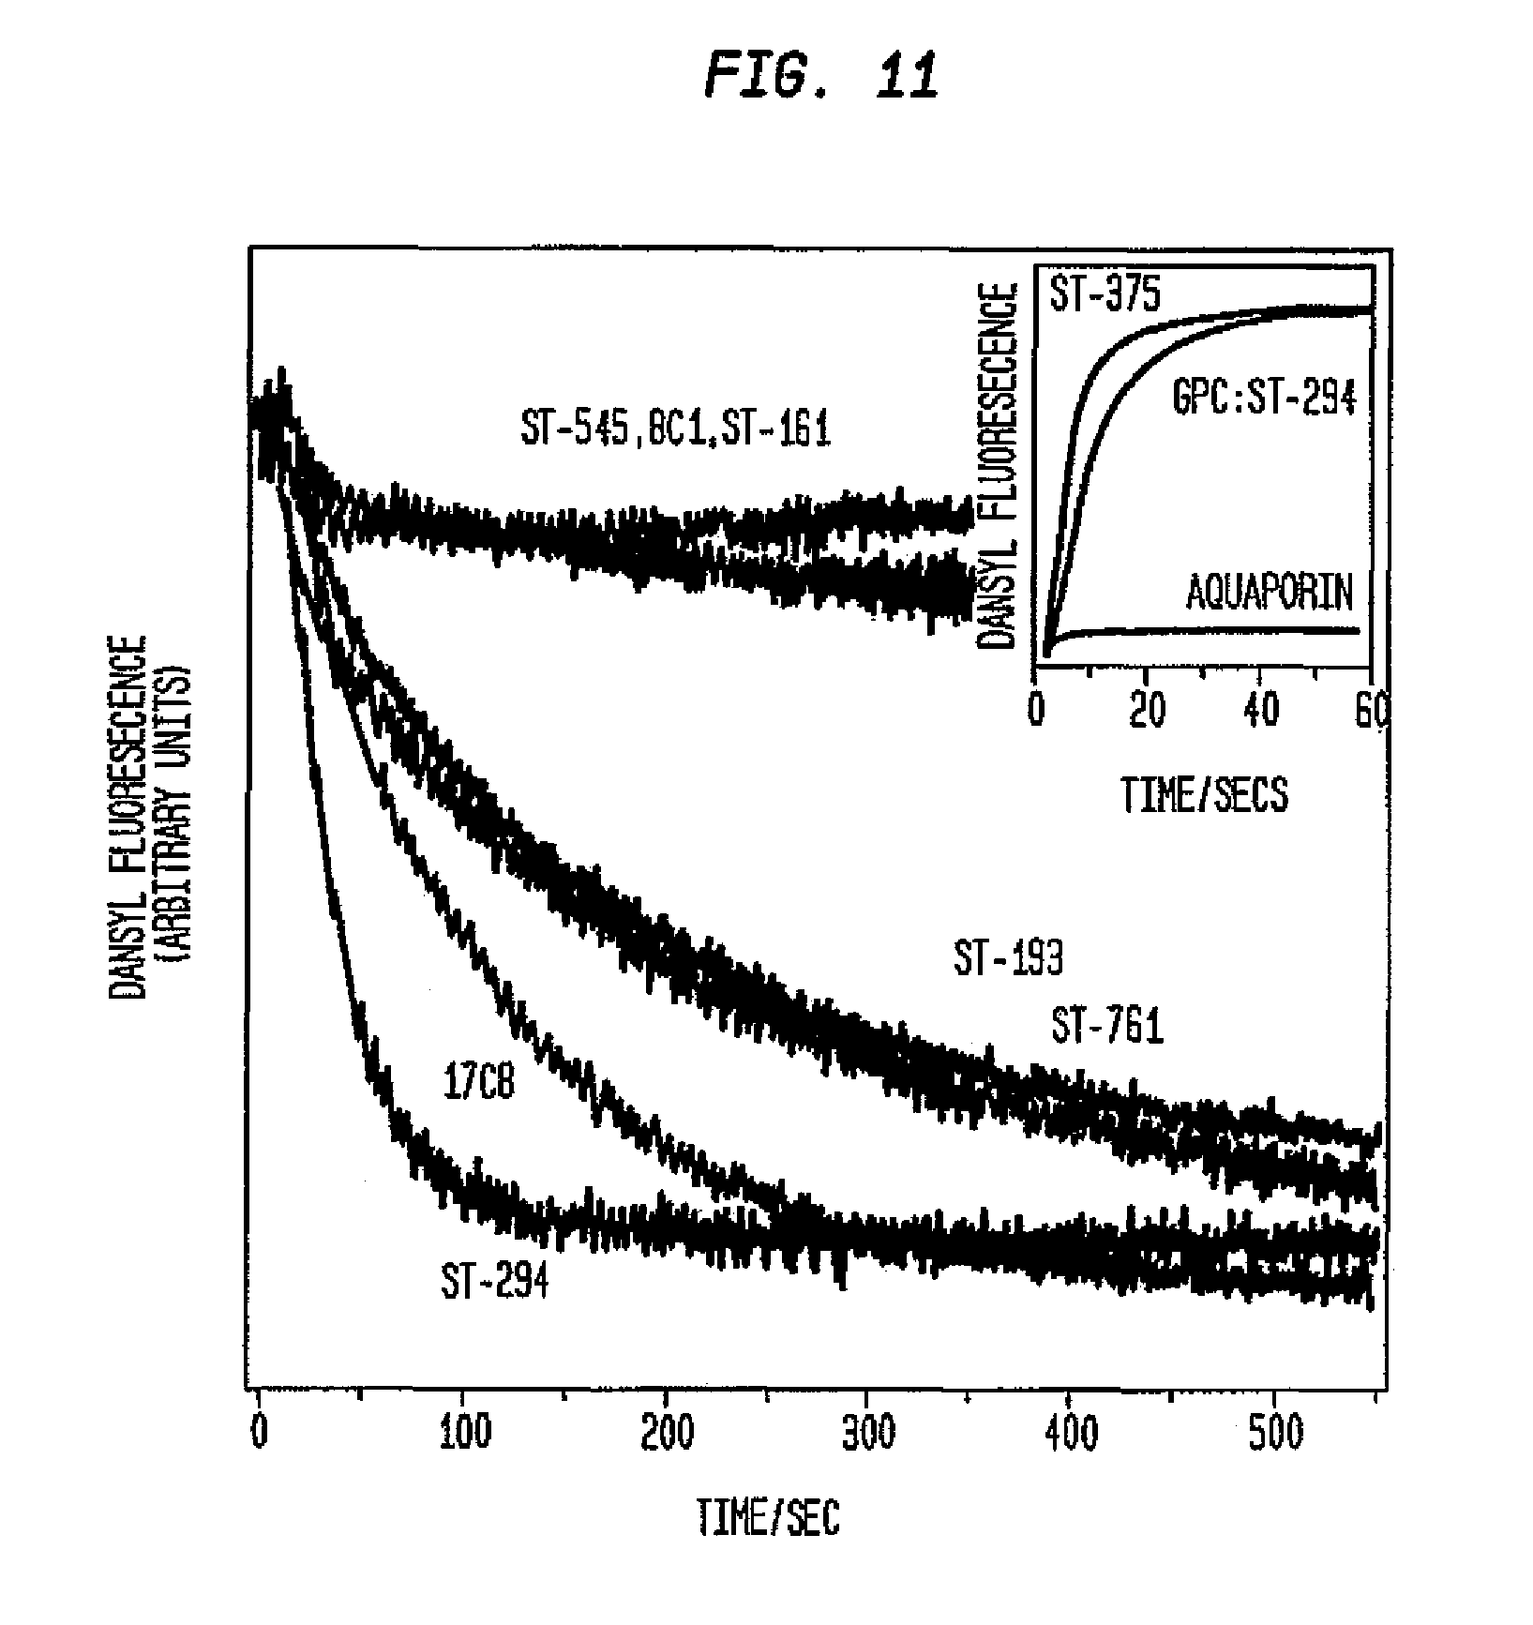

 |  | ST-294, has been identified to potently and selectively inhibit NWA viruses in vitro including the 3 NIAID/CDC Category A viruses (Junin, Machupo, and Guanarito viruses)
 |  | Also evaluated for stability in S9 liver extracts and for it's pharmacokinetic properties and was found to be metabolically stable and orally bioavailable
 |  | Preliminary study showed significant protection against Tacaribe virus induced disease in newborn mice - apparent that this series of compounds targets GP2 and are viral entry inhibitors
 |  | Apparent that the drug binds to virus and is carried over during dilutions (could potentially have an effect when titrating virus samples during other experiments, but wasn't enough drug carry over to affect the titers due to high dilution)
 |  | Since ST-294 has better S9 stability than ST-336 does, thought that metabolism occurs at the methyl group on the aromatic ring
 |  | The benzylic position is susceptible to oxidation - when there is no benzylic hydrogen present as in ST-294, oxidation is blocked and thus eliminates the fastest metabolism pathway
 |  | Addition of the difluoromethoxy group in ST-294 gave this compound increased S9 stability, but did not reduce antiviral activity
 |  | Not known whether ST-294 can cross the blood brain barrier (mice appear to die of a neurological disease, indicated by hind quarter paralysis)
 |  | Drug levels and half-life in newborn mice is not as good as oral dosing in rats - guinea pigs and non-human primates more appropriate (virus replication in spleen, lymph nodes and bone marrow)
 |  | Also has the potential for prophylactic use since this drug appears to bind to the virus

 | 7,977,365 | benzimidazole derivatives and analogs for treatment of Arenaviruses
 | ST-193 | Lassa virus
 | ST-600037 | 1A: Benzimidazole derivative ST-37 (left) was modified to generate ST-193 (right)
 | ST-600193 | 1B: Inhibition of LASV GP- or VSVg-pseudotyped HIV infection with ST-37 or ST-193
 |  | Infectivity measured by luciferase reporter relative to controls with no compound -each point is an average of three replicates, with error bars designating standard deviation
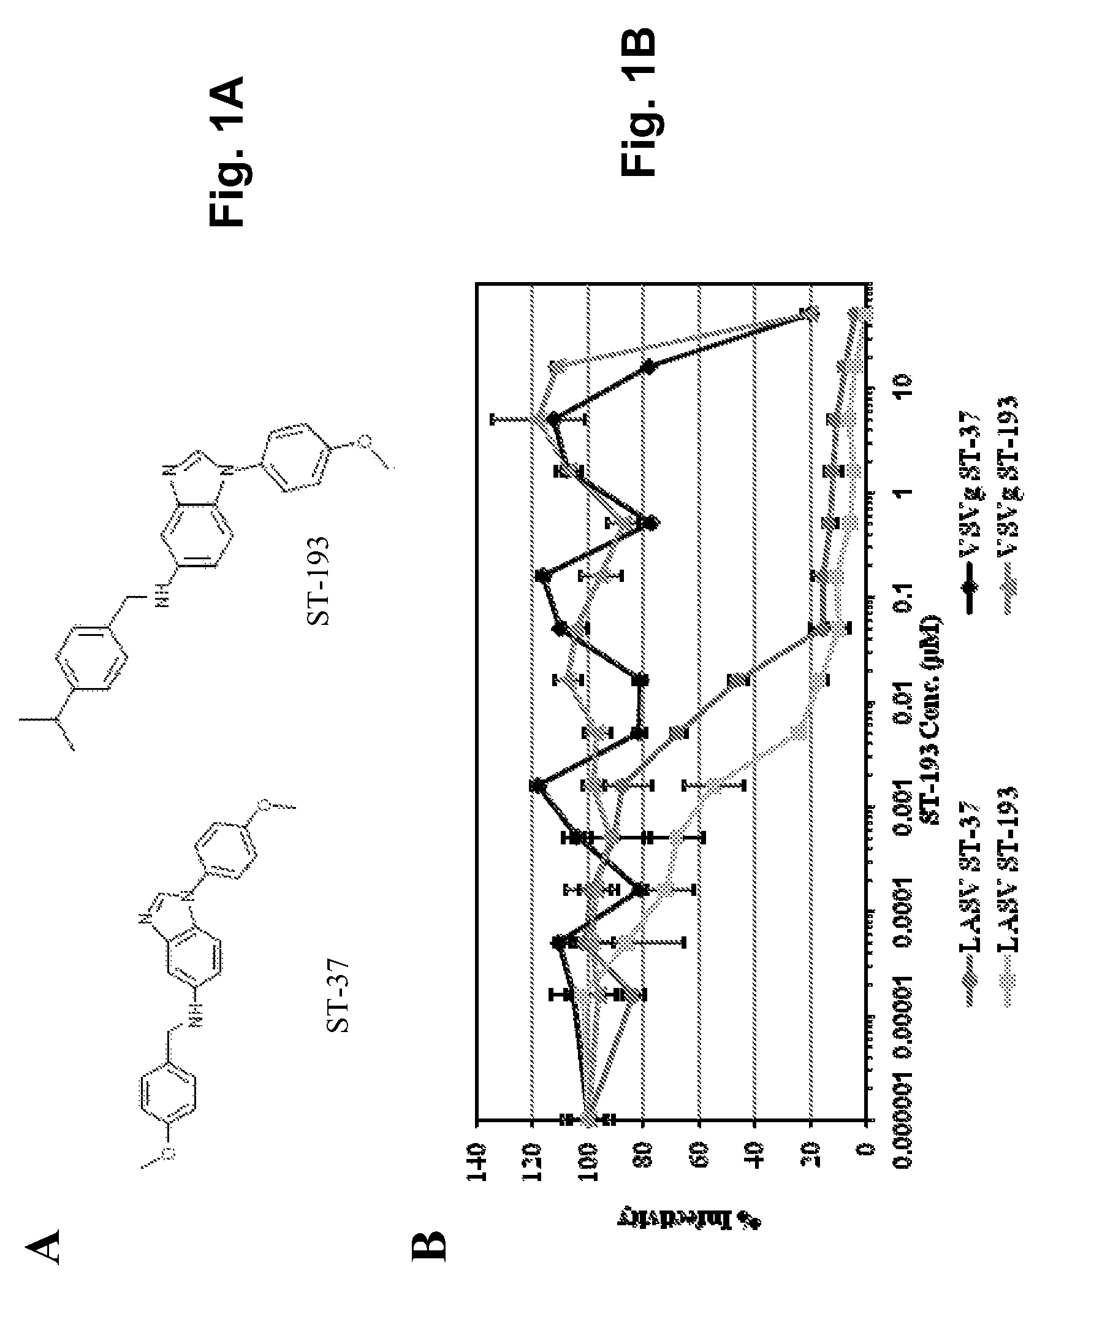

 |  | 2A: Schematic representation of LASV-LCMV chimeric GPs - predicted TMD and heptad repeat domains (HR1 and HR2) are indicated
 |  | 2B: Pseudotype infectivity as in FIG. 1 using the arenavirus GPs shown (representative experiment)
 |  | Average IC50s±SEM for these constructs were: LASV, 0.0016±0.0003 μM; LCMV, 31±4 μM; LASVN-LCMVC, 13.6±2.2 μM; and LCMVN-LASVC, 0.0005±0.0003 μM
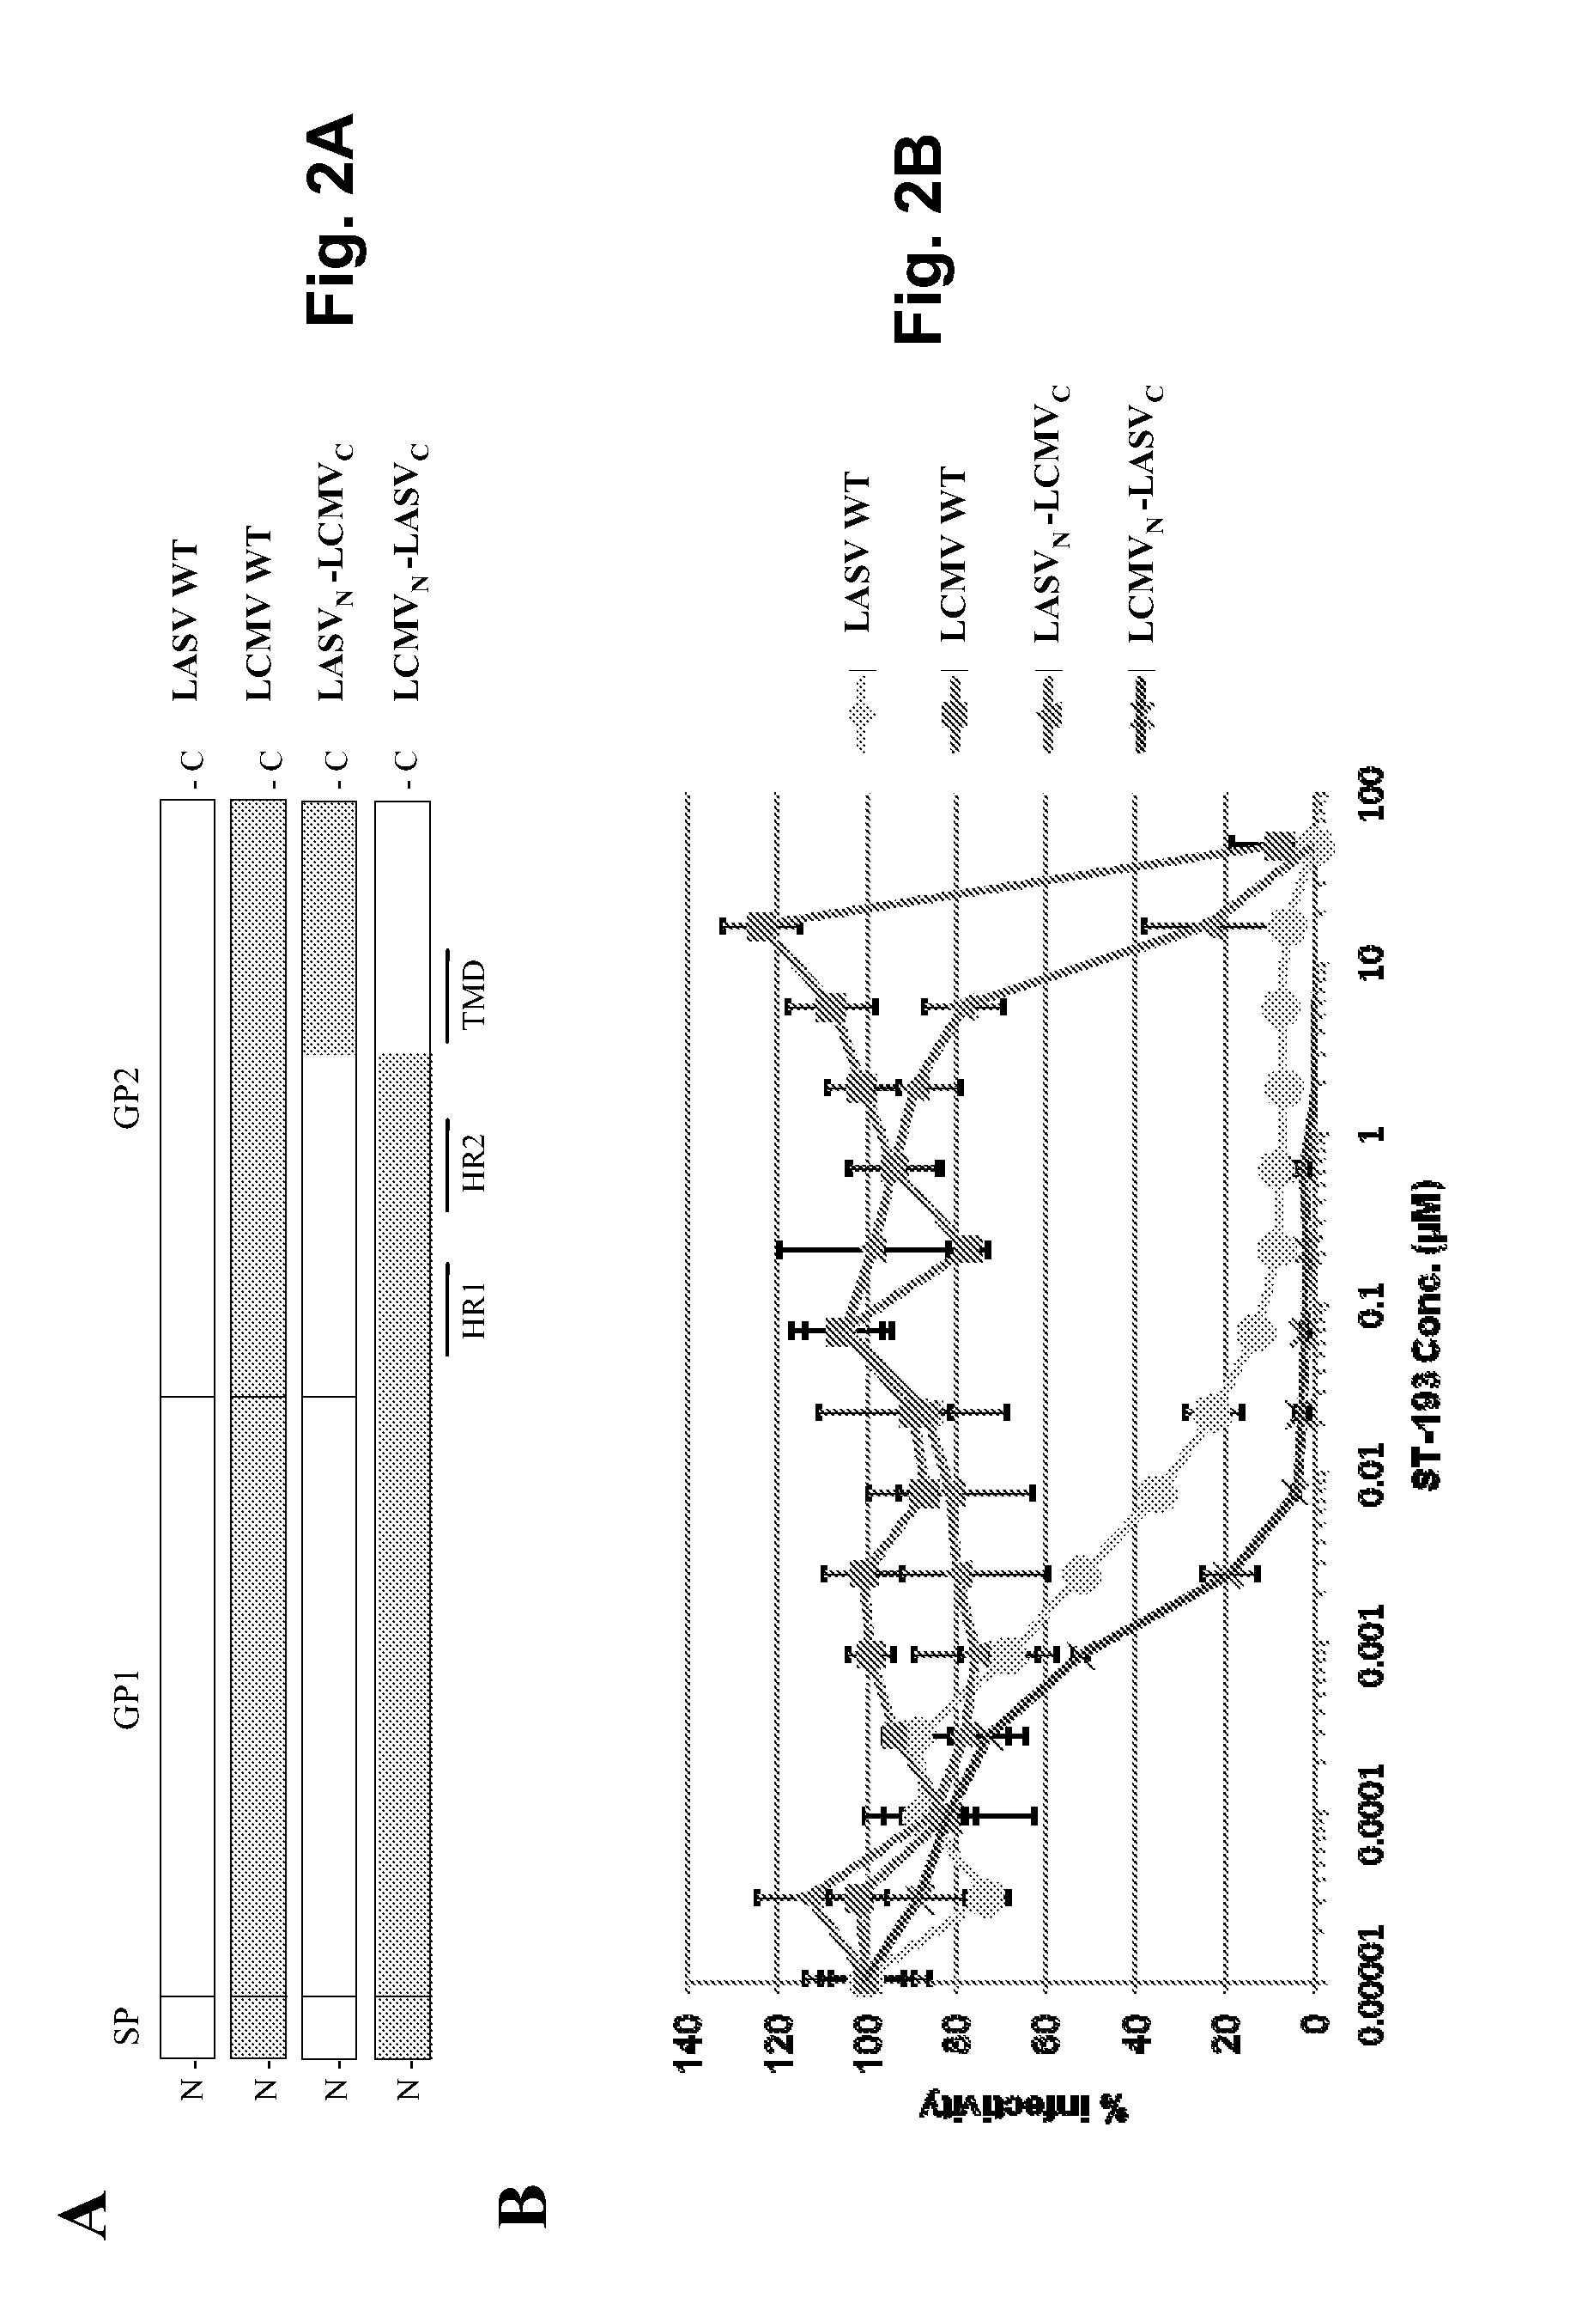

 |  | 3A: Schematic representation of an arenavirus GP2 subunit and the sites of 193R variations
 |  | The TCRV amino acid sequence is shown for the region indicated, with sites identified as determinants of ST-193 sensitivity indicated with raised letters and numbering (TCRV GP amino acid numbering)
 |  | Predicted TMD and heptad repeat domains (HR1 and HR2) are indicated (TMD is outlined in the sequence)
 |  | 3B: Single amino acid variations that reduce ST-193 sensitivity in TCRV GP
 |  | Resistance is the fold change in IC50 as measured with TCRV GP-pseudotyped HIV, relative to wild-type, and averaged across at least four independent experiments (each in triplicate)
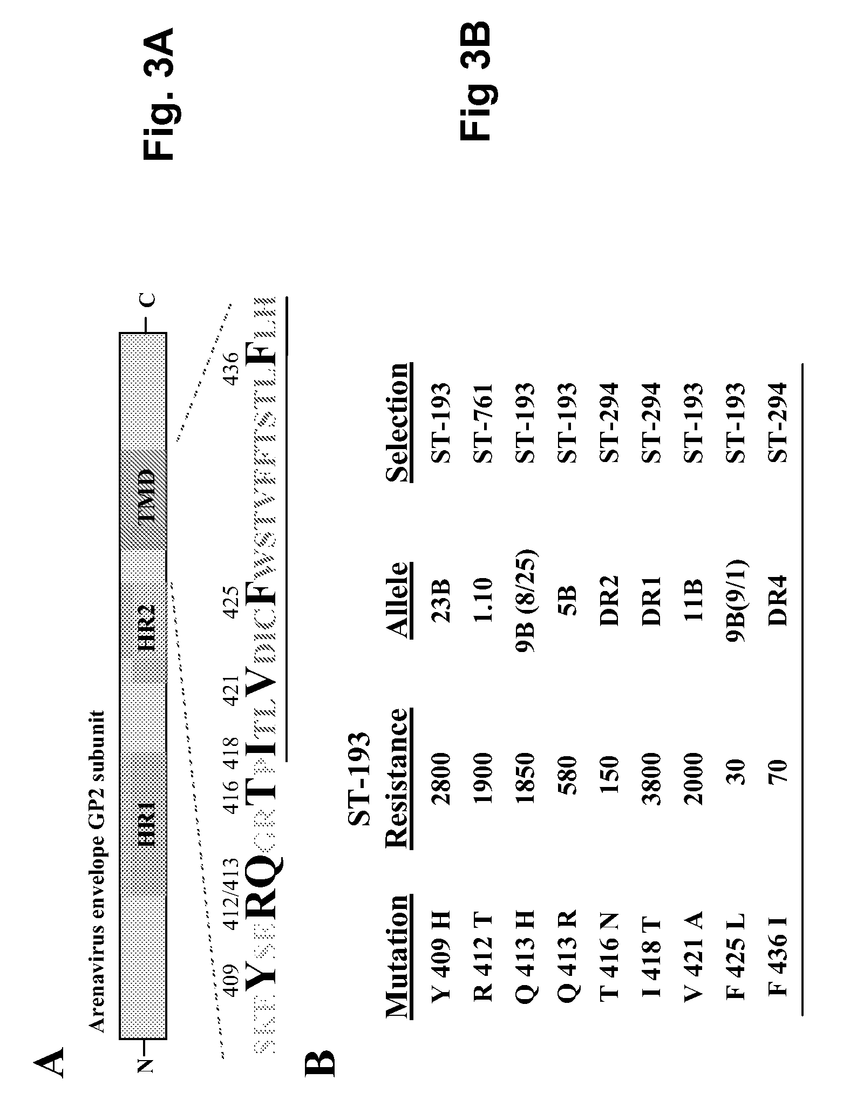

 |  | 4: Residues identified as ST-193 sensitivity determinants (FIG. 3) are in bold type, and the predicted TMD is indicated
 |  | The highlighted residues at positions 421 and 425 are sensitivity determinants for which some sequence divergence is observed across the Arenaviridae family
 |  | LASV, Lassa fever strain Josiah (J04324); LCMV, lymphocytic choriomeningitis strain Armstrong 53b (AY847350); MACV, Machupo strain Carvallo (AY619643); JUNV, Junin strain MC2 (D10072); TCRV, Tacaribe strain TRVL 11598 (P31840);
 |  | GTOV, Guanarito (NC—005077); SABV, Sabia (NC—006317); LATV, Latino strain Maru 10924 (AF485259); PICV, Pichinde (U77602); PIRV, Pirital (NC—005894); and WWAV, Whitewater Arroyo (AF228063)
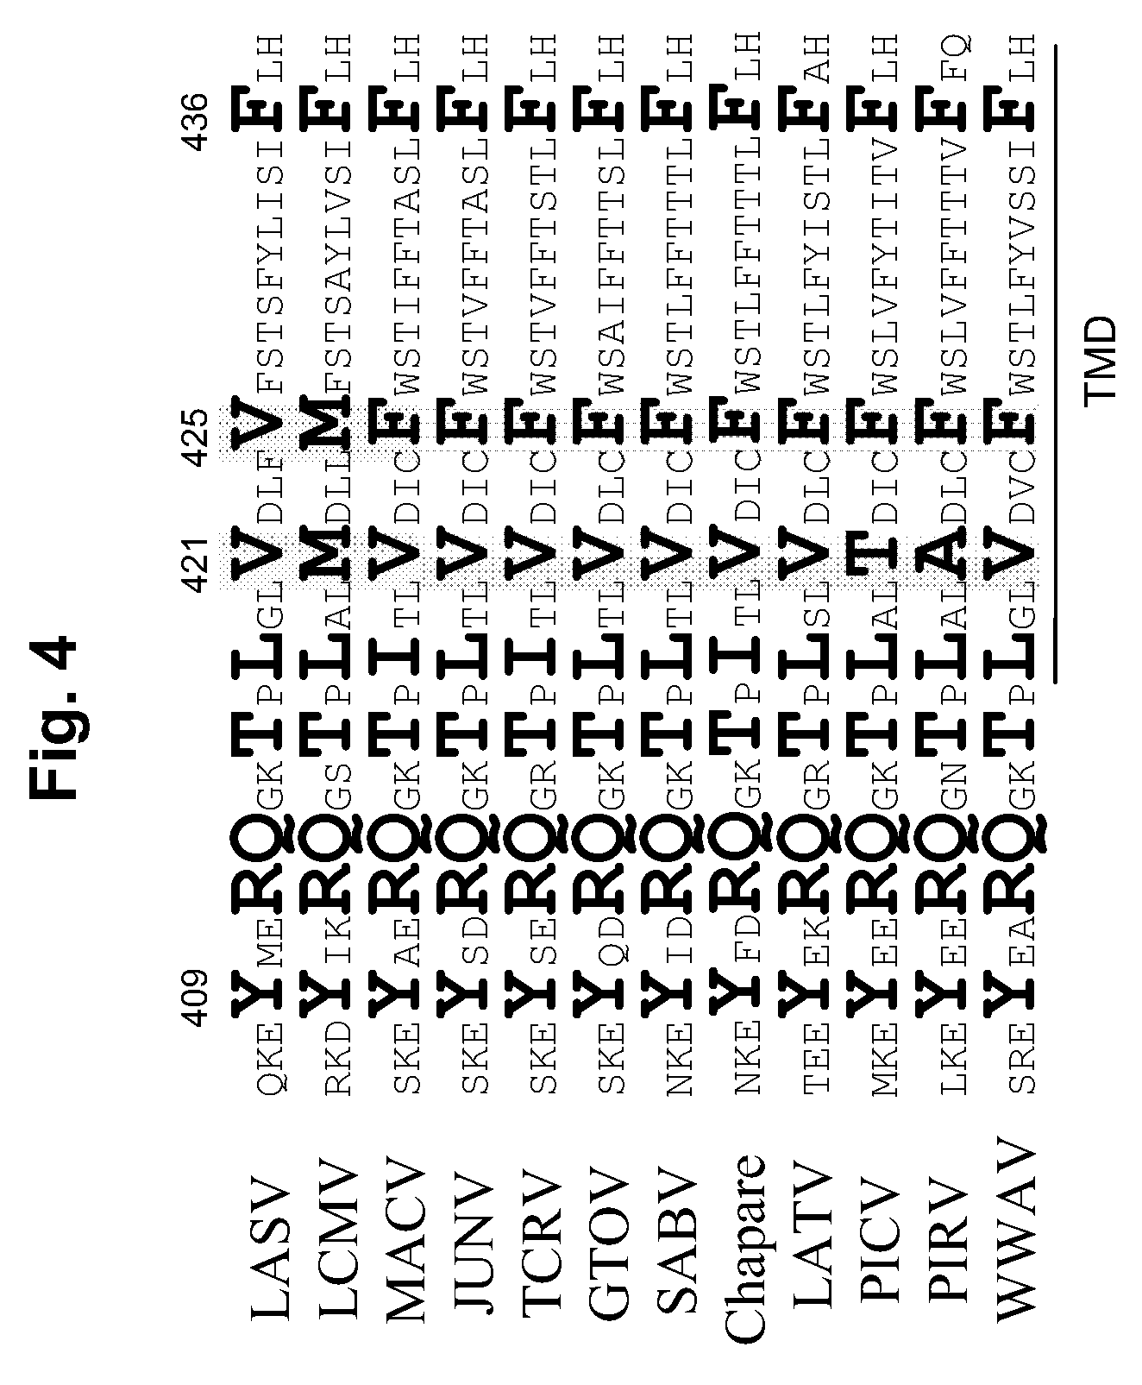

 |  | Compound ST-600037 was identified as one of the most potent and selective compounds from within the pool of 25 quality hits
 |  | Chemical analogs of this compound were obtained/synthesized and tested - ST-600193 displayed enhanced potency and selectivity relative to ST-600037
 |  | ST-600193 is also a potent inhibitor of pseudotyped viral infection mediated by the envelopes of the New World arenaviruses Guanarito (EC50<1 nM) and Tacaribe (EC50=4 nM) - may be useful for arenaviruses other than Lassa fever

 |  | ST-193 antiviral activity against retroviral-based pseudotypes:

 |  |  | Phylogeny of
 |  | GP | GP Source |  |  |  | IC50 (µM) ± SEM

 |  | Lassa | Old World arenavirus; Josiah strain |  |  |  | 0.0016 ± 0.0003
 |  | LCMV | Old World arenavirus; Armstrong 53b |  |  |  | 31 ± 4
 |  | Pichinde | New World arenavirus, clade A |  |  |  | 2.6 ± 0.5
 |  | Junín | New World arenavirus, clade B1 |  |  |  | 0.0002 ± 0.00003
 |  | Machupo | New World arenavirus, clade B1 |  |  |  | 0.0023 ± 0.0013
 |  | Tacaribe | New World arenavirus, clade B1 |  |  |  | 0.004 ± 0.002
 |  | Guanarito | New World arenavirus, clade B2 |  |  |  | 0.00034 ± 0.00007
 |  | Sabia | New World arenavirus, clade B3 |  |  |  | 0.012 ± 0.003
 |  | VSV | rhabdovirus |  |  |  | 29 ± 2.5

 |  | Site-directed mutagenesis of predicted ST-193 sensitivity determinants:

 |  |  | Site #1 | Site #2 |  |  | IC50 relative
 |  | GP | (421) | (425) | IC50 (µM) ± SEM |  | to LASV

 |  | LASV wt | Val | Val | 0.0016 ± 0.0003 |  | 1
 |  | LASV dbl | Met | Met | 24 ± 3 |  | 15200
 |  | LASV #1 | Met | Val | 1.4 ± 0.3 |  | 850
 |  | LASV #2 | Val | Met | 6.1 ± 1.3 |  | 3800
 |  | LCMV wt | Met | Met | 31 ± 4 |  | 19600
 |  | LCMV #1 | Val | Met | 27 ± 4 |  | 16900
 |  | LCMV dbl | Val | Val | 26 ± 4 |  | 16200
 |  | Pichinde wt | Thr | Phe | 2.6 ± 0.5 |  | 1600
 |  | Pichinde #1 | Val | Phe | 0.046 ± 0.025 |  | 29

 |  | Observations and presence of multiple ST-193 sensitivity determinants within the fusogenic GP2 subunit suggest that ST-193 blocks GP-mediated entry at a post-attachment stage
 |  | ST-193 might prevent or perturb conformational rearrangement of GP, or inhibit lipid mixing, thereby preventing fusion with the host cell
 |  | Alternatively, ST-193 could interact with the membrane-proximal domain, in the 409-413 region identified following genetic selection
 |  | Another possibility is that ST-193 might disrupt protein-protein interactions within or near the TMD
 |  | Sensitivity to at least three dissimilar antiviral compounds (ST-193, ST-294, and ST-761) has been mapped to the TMD region of GP2, with overlapping yet quite distinct patterns of genetic resistance

 | 8,518,960 | benzenesulfonamide derivatives and analogs for treatment of Arenaviruses

 |  |  |  |  |  |  |  |  | Molecular | EC50/90 (µM) |  |  | Specificity
 |  | No. | Chemical Name |  |  |  | Activity |  | Weight | Yield |  |  | (µM) |  | Structure
 |  | 1 | N-(4-Diethylsulfamoyl-phenyl)-2- |  |  |  | EC50 < 1 uM |  | 414.48 | 4.3/10.7 Den-1 0.3/5.2 |  |  | 1.2 Modoc >50
 |  |  | (4-oxo-4H-quinazolin-3-yl)-acetamide |  |  |  |  |  |  | Den-2 1.0/8.2 Den-3 |  |  | BVDV 0.3 C6/36
 |  |  |  |  |  |  |  |  |  | 1.7/4.1 Den-4

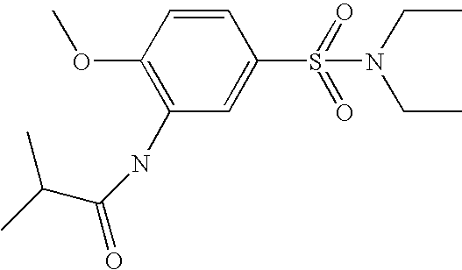
 |  |  |  |  |  |  |  |  |  |  |  |  | 6.2 Modoc >50
 |  | 2 | N-(5-Diethylsulfamoyl-2-methoxy-phenyl)- |  |  |  | EC50 < 1 uM |  | 328.43 | 7.6/8.9 Den-1 0.3/4.1 |  |  | BVDV 0.7 C6/36
 |  |  | isobutyramide |  |  |  |  |  |  | Den-2 5.5/13.3 Den-3
 |  |  |  |  |  |  |  |  |  | 2.1/12.5 Den-4

